base4-0.4
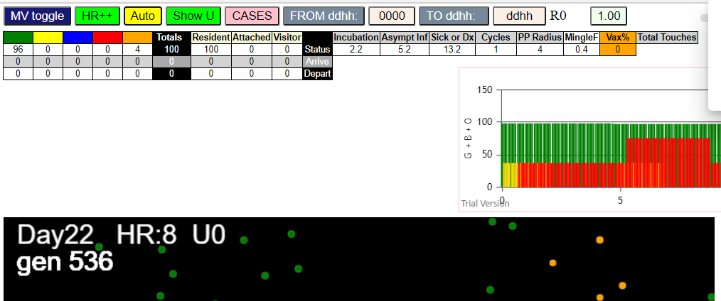
simulationRev2Vax.js:4297 exit covidSim
simulationRev2Vax.js:23 getAsText File {name: "HundredAgentsU0.csv", lastModified: 1599797804000, lastModifiedDate: Thu Sep 10 2020 21:16:44 GMT-0700 (Pacific Daylight Time), webkitRelativePath: "", size: 2140, …}
simulationRev2Vax.js:32 File {name: "HundredAgentsU0.csv", lastModified: 1599797804000, lastModifiedDate: Thu Sep 10 2020 21:16:44 GMT-0700 (Pacific Daylight Time), webkitRelativePath: "", size: 2140, …}
simulationRev2Vax.js:23 getAsText File {name: "VL1.csv", lastModified: 1603760180000, lastModifiedDate: Mon Oct 26 2020 17:56:20 GMT-0700 (Pacific Daylight Time), webkitRelativePath: "", size: 66, …}
simulationRev2Vax.js:32 File {name: "VL1.csv", lastModified: 1603760180000, lastModifiedDate: Mon Oct 26 2020 17:56:20 GMT-0700 (Pacific Daylight Time), webkitRelativePath: "", size: 66, …}
simulationRev2Vax.js:2133 1I j:famKey 56:-1 infected by blue i:famKey 10:-1 at gen 15 in Univ0 prob=0.998
simulationRev2Vax.js:2133 2I j:famKey 78:-1 infected by red i:famKey 10:-1 at gen 51 in Univ0 prob=0.146
simulationRev2Vax.js:2150 3I i:famKey 12:-1 infected by blue j:famKey 56:-1 at gen 86 in U0 prob=0.428
simulationRev2Vax.js:2150 3I i:famKey 38:-1 infected by blue j:famKey 56:-1 at gen 87 in U0 prob=0.081
simulationRev2Vax.js:2150 5I i:famKey 28:-1 infected by blue j:famKey 78:-1 at gen 125 in U0 prob=0.518
simulationRev2Vax.js:2133 5I j:famKey 90:-1 infected by green i:famKey 28:-1 at gen 125 in Univ0 prob=0.934
simulationRev2Vax.js:2150 7I i:famKey 43:-1 infected by yellow j:famKey 90:-1 at gen 128 in U0 prob=0.059
simulationRev2Vax.js:2133 8I j:famKey 51:-1 infected by yellow i:famKey 38:-1 at gen 135 in Univ0 prob=0.127
simulationRev2Vax.js:2150 9I i:famKey 27:-1 infected by red j:famKey 56:-1 at gen 171 in U0 prob=0.481
simulationRev2Vax.js:2133 10I j:famKey 41:-1 infected by red i:famKey 10:-1 at gen 178 in Univ0 prob=0.258
simulationRev2Vax.js:2150 11I i:famKey 13:-1 infected by red j:famKey 56:-1 at gen 188 in U0 prob=0.423
simulationRev2Vax.js:2150 12I i:famKey 45:-1 infected by blue j:famKey 51:-1 at gen 223 in U0 prob=0.323
simulationRev2Vax.js:2150 13I i:famKey 40:-1 infected by blue j:famKey 90:-1 at gen 234 in U0 prob=0.364
simulationRev2Vax.js:2150 14I i:famKey 58:-1 infected by blue j:famKey 90:-1 at gen 240 in U0 prob=0.180
simulationRev2Vax.js:2133 15I j:famKey 65:-1 infected by blue i:famKey 27:-1 at gen 245 in Univ0 prob=0.480
simulationRev2Vax.js:2150 15I i:famKey 47:-1 infected by red j:famKey 56:-1 at gen 246 in U0 prob=0.910
simulationRev2Vax.js:2133 16I j:famKey 32:-1 infected by blue i:famKey 27:-1 at gen 247 in Univ0 prob=0.678
simulationRev2Vax.js:2133 18I j:famKey 93:-1 infected by red i:famKey 78:-1 at gen 251 in Univ0 prob=0.281
simulationRev2Vax.js:2150 19I i:famKey 19:-1 infected by red j:famKey 38:-1 at gen 254 in U0 prob=0.829
simulationRev2Vax.js:2150 19I i:famKey 50:-1 infected by red j:famKey 78:-1 at gen 254 in U0 prob=0.254
simulationRev2Vax.js:2150 21I i:famKey 5:-1 infected by blue j:famKey 13:-1 at gen 265 in U0 prob=0.445
simulationRev2Vax.js:2133 22I j:famKey 86:-1 infected by blue i:famKey 41:-1 at gen 268 in Univ0 prob=0.403
simulationRev2Vax.js:2133 23I j:famKey 89:-1 infected by red i:famKey 78:-1 at gen 271 in Univ0 prob=0.079
simulationRev2Vax.js:2133 24I j:famKey 46:-1 infected by blue i:famKey 40:-1 at gen 299 in Univ0 prob=0.340
simulationRev2Vax.js:2150 25I i:famKey 31:-1 infected by blue j:famKey 47:-1 at gen 328 in U0 prob=0.575
simulationRev2Vax.js:2150 26I i:famKey 6:-1 infected by red j:famKey 28:-1 at gen 348 in U0 prob=0.630
simulationRev2Vax.js:2150 27I i:famKey 8:-1 infected by red j:famKey 40:-1 at gen 367 in U0 prob=0.431
simulationRev2Vax.js:2133 28I j:famKey 66:-1 infected by red i:famKey 40:-1 at gen 384 in Univ0 prob=0.309
simulationRev2Vax.js:2150 29I i:famKey 0:-1 infected by blue j:famKey 89:-1 at gen 388 in U0 prob=0.364
simulationRev2Vax.js:2150 30I i:famKey 16:-1 infected by red j:famKey 93:-1 at gen 399 in U0 prob=0.741
simulationRev2Vax.js:2150 31I i:famKey 17:-1 infected by red j:famKey 90:-1 at gen 403 in U0 prob=0.849
simulationRev2Vax.js:2150 32I i:famKey 55:-1 infected by red j:famKey 58:-1 at gen 408 in U0 prob=0.092
simulationRev2Vax.js:2150 33I i:famKey 49:-1 infected by red j:famKey 65:-1 at gen 411 in U0 prob=0.247
simulationRev2Vax.js:2150 34I i:famKey 7:-1 infected by yellow j:famKey 49:-1 at gen 413 in U0 prob=0.138
simulationRev2Vax.js:2150 35I i:famKey 30:-1 infected by red j:famKey 58:-1 at gen 423 in U0 prob=0.425
simulationRev2Vax.js:2133 36I j:famKey 62:-1 infected by red i:famKey 58:-1 at gen 431 in Univ0 prob=0.569
simulationRev2Vax.js:2133 37I j:famKey 72:-1 infected by red i:famKey 58:-1 at gen 433 in Univ0 prob=0.728
simulationRev2Vax.js:2133 37I j:famKey 84:-1 infected by yellow i:famKey 66:-1 at gen 434 in Univ0 prob=0.700
simulationRev2Vax.js:2133 39I j:famKey 71:-1 infected by blue i:famKey 31:-1 at gen 438 in Univ0 prob=0.435
simulationRev2Vax.js:2133 40I j:famKey 70:-1 infected by red i:famKey 65:-1 at gen 440 in Univ0 prob=0.820
simulationRev2Vax.js:2133 41I j:famKey 91:-1 infected by red i:famKey 65:-1 at gen 443 in Univ0 prob=0.414
simulationRev2Vax.js:2133 42I j:famKey 92:-1 infected by red i:famKey 19:-1 at gen 448 in Univ0 prob=0.566
simulationRev2Vax.js:2150 43I i:famKey 4:-1 infected by blue j:famKey 66:-1 at gen 456 in U0 prob=0.109
simulationRev2Vax.js:2150 44I i:famKey 21:-1 infected by red j:famKey 31:-1 at gen 462 in U0 prob=0.407
simulationRev2Vax.js:2150 45I i:famKey 59:-1 infected by red j:famKey 65:-1 at gen 469 in U0 prob=0.005
simulationRev2Vax.js:2150 45I i:famKey 1:-1 infected by blue j:famKey 66:-1 at gen 470 in U0 prob=0.556
simulationRev2Vax.js:2133 47I j:famKey 68:-1 infected by blue i:famKey 55:-1 at gen 480 in Univ0 prob=0.161
simulationRev2Vax.js:2133 48I j:famKey 64:-1 infected by red i:famKey 58:-1 at gen 482 in Univ0 prob=0.129
simulationRev2Vax.js:2133 48I j:famKey 53:-1 infected by red i:famKey 5:-1 at gen 483 in Univ0 prob=0.804
simulationRev2Vax.js:2150 50I i:famKey 61:-1 infected by blue j:famKey 91:-1 at gen 500 in U0 prob=0.724
simulationRev2Vax.js:2133 51I j:famKey 9:-1 infected by blue i:famKey 7:-1 at gen 508 in Univ0 prob=0.616
simulationRev2Vax.js:2133 51I j:famKey 67:-1 infected by blue i:famKey 17:-1 at gen 508 in Univ0 prob=0.797
simulationRev2Vax.js:2133 51I j:famKey 67:-1 infected by red i:famKey 65:-1 at gen 508 in Univ0 prob=0.751
simulationRev2Vax.js:2150 53I i:famKey 63:-1 infected by blue j:famKey 84:-1 at gen 513 in U0 prob=0.408
simulationRev2Vax.js:2133 54I j:famKey 60:-1 infected by blue i:famKey 55:-1 at gen 515 in Univ0 prob=0.567
simulationRev2Vax.js:2150 55I i:famKey 83:-1 infected by blue j:famKey 84:-1 at gen 518 in U0 prob=0.961
simulationRev2Vax.js:2133 56I j:famKey 98:-1 infected by yellow i:famKey 83:-1 at gen 521 in Univ0 prob=0.720
simulationRev2Vax.js:2150 57I i:famKey 25:-1 infected by blue j:famKey 30:-1 at gen 530 in U0 prob=0.790
simulationRev2Vax.js:2133 58I j:famKey 69:-1 infected by red i:famKey 66:-1 at gen 532 in Univ0 prob=0.433
simulationRev2Vax.js:2150 59I i:famKey 22:-1 infected by blue j:famKey 84:-1 at gen 537 in U0 prob=0.936
simulationRev2Vax.js:2133 60I j:famKey 76:-1 infected by red i:famKey 7:-1 at gen 551 in Univ0 prob=0.905
simulationRev2Vax.js:2133 61I j:famKey 54:-1 infected by red i:famKey 30:-1 at gen 554 in Univ0 prob=0.461
simulationRev2Vax.js:2133 62I j:famKey 57:-1 infected by red i:famKey 16:-1 at gen 567 in Univ0 prob=0.280
simulationRev2Vax.js:2133 63I j:famKey 80:-1 infected by red i:famKey 30:-1 at gen 572 in Univ0 prob=0.057
simulationRev2Vax.js:2133 63I j:famKey 74:-1 infected by red i:famKey 66:-1 at gen 573 in Univ0 prob=0.996
simulationRev2Vax.js:2150 63I i:famKey 95:-1 infected by blue j:famKey 98:-1 at gen 573 in U0 prob=0.533
simulationRev2Vax.js:2133 66I j:famKey 77:-1 infected by red i:famKey 49:-1 at gen 583 in Univ0 prob=0.036
simulationRev2Vax.js:2150 67I i:famKey 34:-1 infected by red j:famKey 84:-1 at gen 587 in U0 prob=0.892
simulationRev2Vax.js:2150 68I i:famKey 18:-1 infected by red j:famKey 30:-1 at gen 590 in U0 prob=0.846
simulationRev2Vax.js:2133 69I j:famKey 97:-1 infected by blue i:famKey 60:-1 at gen 604 in Univ0 prob=0.908
simulationRev2Vax.js:2133 70I j:famKey 96:-1 infected by red i:famKey 8:-1 at gen 607 in Univ0 prob=0.525
simulationRev2Vax.js:2150 71I i:famKey 52:-1 infected by blue j:famKey 63:-1 at gen 613 in U0 prob=0.192
simulationRev2Vax.js:2150 72I i:famKey 3:-1 infected by red j:famKey 21:-1 at gen 629 in U0 prob=0.670
simulationRev2Vax.js:2150 73I i:famKey 39:-1 infected by blue j:famKey 80:-1 at gen 632 in U0 prob=0.589
simulationRev2Vax.js:2150 73I i:famKey 23:-1 infected by red j:famKey 59:-1 at gen 633 in U0 prob=0.709
simulationRev2Vax.js:2133 75I j:famKey 48:-1 infected by red i:famKey 25:-1 at gen 653 in Univ0 prob=0.792
simulationRev2Vax.js:2150 76I i:famKey 29:-1 infected by red j:famKey 92:-1 at gen 656 in U0 prob=0.072
simulationRev2Vax.js:2133 77I j:famKey 73:-1 infected by red i:famKey 66:-1 at gen 659 in Univ0 prob=0.170
simulationRev2Vax.js:2133 78I j:famKey 82:-1 infected by red i:famKey 69:-1 at gen 664 in Univ0 prob=0.217
simulationRev2Vax.js:2133 79I j:famKey 35:-1 infected by red i:famKey 30:-1 at gen 701 in Univ0 prob=0.213
simulationRev2Vax.js:2133 80I j:famKey 44:-1 infected by blue i:famKey 3:-1 at gen 710 in Univ0 prob=0.352
simulationRev2Vax.js:2150 80I i:famKey 20:-1 infected by yellow j:famKey 73:-1 at gen 710 in U0 prob=0.731
simulationRev2Vax.js:2150 82I i:famKey 36:-1 infected by red j:famKey 91:-1 at gen 724 in U0 prob=0.541
simulationRev2Vax.js:2133 83I j:famKey 87:-1 infected by red i:famKey 25:-1 at gen 727 in Univ0 prob=0.683
simulationRev2Vax.js:2133 84I j:famKey 75:-1 infected by blue i:famKey 48:-1 at gen 730 in Univ0 prob=0.859
simulationRev2Vax.js:2133 84I j:famKey 81:-1 infected by red i:famKey 54:-1 at gen 731 in Univ0 prob=0.795
simulationRev2Vax.js:2150 86I i:famKey 24:-1 infected by red j:famKey 80:-1 at gen 759 in U0 prob=0.905
simulationRev2Vax.js:2150 87I i:famKey 11:-1 infected by red j:famKey 34:-1 at gen 780 in U0 prob=0.093
simulationRev2Vax.js:2150 88I i:famKey 26:-1 infected by blue j:famKey 36:-1 at gen 796 in U0 prob=0.018
simulationRev2Vax.js:2133 89I j:famKey 42:-1 infected by red i:famKey 35:-1 at gen 830 in Univ0 prob=0.424
simulationRev2Vax.js:2150 90I i:famKey 88:-1 infected by red j:famKey 96:-1 at gen 846 in U0 prob=0.335
simulationRev2Vax.js:2133 91I j:famKey 99:-1 infected by red i:famKey 96:-1 at gen 859 in Univ0 prob=0.937
simulationRev2Vax.js:2150 92I i:famKey 94:-1 infected by red j:famKey 99:-1 at gen 994 in U0 prob=0.139
simulationRev2Vax.js:2150 93I i:famKey 2:-1 infected by red j:famKey 11:-1 at gen 1004 in U0 prob=0.155
simulationRev2Vax.js:2150 94I i:famKey 79:-1 infected by red j:famKey 99:-1 at gen 1050 in U0 prob=0.761
simulationRev2Vax.js:2150 95I i:famKey 15:-1 infected by red j:famKey 94:-1 at gen 1115 in U0 prob=0.650
simulationRev2Vax.js:2133 96I j:famKey 37:-1 infected by red i:famKey 2:-1 at gen 1127 in Univ0 prob=0.951

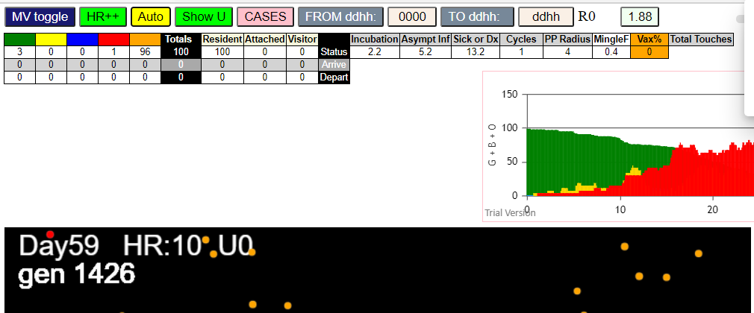

simulationRev2Vax.js:4297 exit covidSim
simulationRev2Vax.js:23 getAsText File {name: "HundredAgentsU0.csv", lastModified: 1599797804000, lastModifiedDate: Thu Sep 10 2020 21:16:44 GMT-0700 (Pacific Daylight Time), webkitRelativePath: "", size: 2140, …}
simulationRev2Vax.js:32 File {name: "HundredAgentsU0.csv", lastModified: 1599797804000, lastModifiedDate: Thu Sep 10 2020 21:16:44 GMT-0700 (Pacific Daylight Time), webkitRelativePath: "", size: 2140, …}
simulationRev2Vax.js:23 getAsText File {name: "VL1.csv", lastModified: 1603760180000, lastModifiedDate: Mon Oct 26 2020 17:56:20 GMT-0700 (Pacific Daylight Time), webkitRelativePath: "", size: 66, …}
simulationRev2Vax.js:32 File {name: "VL1.csv", lastModified: 1603760180000, lastModifiedDate: Mon Oct 26 2020 17:56:20 GMT-0700 (Pacific Daylight Time), webkitRelativePath: "", size: 66, …}
simulationRev2Vax.js:2133 1I j:famKey 56:-1 infected by red i:famKey 10:-1 at gen 78 in Univ0 prob=0.734
simulationRev2Vax.js:2133 2I j:famKey 69:-1 infected by red i:famKey 10:-1 at gen 131 in Univ0 prob=0.992
simulationRev2Vax.js:2150 3I i:famKey 45:-1 infected by blue j:famKey 56:-1 at gen 155 in U0 prob=0.501
simulationRev2Vax.js:2133 4I j:famKey 83:-1 infected by red i:famKey 10:-1 at gen 181 in Univ0 prob=0.128
simulationRev2Vax.js:2133 5I j:famKey 82:-1 infected by blue i:famKey 69:-1 at gen 208 in Univ0 prob=0.886
simulationRev2Vax.js:2133 6I j:famKey 77:-1 infected by blue i:famKey 69:-1 at gen 221 in Univ0 prob=0.046
simulationRev2Vax.js:2150 7I i:famKey 25:-1 infected by blue j:famKey 45:-1 at gen 232 in U0 prob=0.169
simulationRev2Vax.js:2133 8I j:famKey 88:-1 infected by blue i:famKey 69:-1 at gen 235 in Univ0 prob=0.050
simulationRev2Vax.js:2150 9I i:famKey 36:-1 infected by blue j:famKey 45:-1 at gen 257 in U0 prob=0.629
simulationRev2Vax.js:2150 10I i:famKey 29:-1 infected by blue j:famKey 45:-1 at gen 259 in U0 prob=0.405
simulationRev2Vax.js:2150 11I i:famKey 24:-1 infected by blue j:famKey 83:-1 at gen 265 in U0 prob=0.413
simulationRev2Vax.js:2150 12I i:famKey 19:-1 infected by blue j:famKey 83:-1 at gen 274 in U0 prob=0.575
simulationRev2Vax.js:2133 13I j:famKey 87:-1 infected by blue i:famKey 83:-1 at gen 286 in Univ0 prob=0.527
simulationRev2Vax.js:2133 14I j:famKey 95:-1 infected by blue i:famKey 83:-1 at gen 297 in Univ0 prob=0.926
simulationRev2Vax.js:2150 14I i:famKey 76:-1 infected by blue j:famKey 83:-1 at gen 298 in U0 prob=0.448
simulationRev2Vax.js:2150 16I i:famKey 26:-1 infected by red j:famKey 56:-1 at gen 300 in U0 prob=0.104
simulationRev2Vax.js:2133 17I j:famKey 96:-1 infected by red i:famKey 83:-1 at gen 306 in Univ0 prob=0.342
simulationRev2Vax.js:2133 18I j:famKey 52:-1 infected by blue i:famKey 24:-1 at gen 321 in Univ0 prob=0.841
simulationRev2Vax.js:2133 19I j:famKey 79:-1 infected by blue i:famKey 24:-1 at gen 340 in Univ0 prob=0.906
simulationRev2Vax.js:2133 19I j:famKey 91:-1 infected by red i:famKey 77:-1 at gen 341 in Univ0 prob=0.932
simulationRev2Vax.js:2133 20I j:famKey 98:-1 infected by red i:famKey 45:-1 at gen 342 in Univ0 prob=0.741
simulationRev2Vax.js:2150 22I i:famKey 44:-1 infected by blue j:famKey 88:-1 at gen 347 in U0 prob=0.064
simulationRev2Vax.js:2150 23I i:famKey 3:-1 infected by red j:famKey 25:-1 at gen 358 in U0 prob=0.009
simulationRev2Vax.js:2150 23I i:famKey 8:-1 infected by red j:famKey 25:-1 at gen 358 in U0 prob=0.203
simulationRev2Vax.js:2133 25I j:famKey 33:-1 infected by red i:famKey 29:-1 at gen 380 in Univ0 prob=0.900
simulationRev2Vax.js:2133 25I j:famKey 66:-1 infected by red i:famKey 36:-1 at gen 381 in Univ0 prob=0.041
simulationRev2Vax.js:2150 26I i:famKey 42:-1 infected by blue j:famKey 87:-1 at gen 382 in U0 prob=0.297
simulationRev2Vax.js:2133 28I j:famKey 63:-1 infected by blue i:famKey 19:-1 at gen 393 in Univ0 prob=0.561
simulationRev2Vax.js:2133 29I j:famKey 62:-1 infected by blue i:famKey 26:-1 at gen 397 in Univ0 prob=0.167
simulationRev2Vax.js:2150 30I i:famKey 40:-1 infected by blue j:famKey 76:-1 at gen 407 in U0 prob=0.562
simulationRev2Vax.js:2133 31I j:famKey 64:-1 infected by red i:famKey 36:-1 at gen 409 in Univ0 prob=0.936
simulationRev2Vax.js:2150 32I i:famKey 65:-1 infected by red j:famKey 83:-1 at gen 416 in U0 prob=0.212
simulationRev2Vax.js:2133 32I j:famKey 93:-1 infected by red i:famKey 19:-1 at gen 417 in Univ0 prob=0.547
simulationRev2Vax.js:2150 34I i:famKey 86:-1 infected by red j:famKey 87:-1 at gen 449 in U0 prob=0.717
simulationRev2Vax.js:2133 34I j:famKey 27:-1 infected by blue i:famKey 8:-1 at gen 450 in Univ0 prob=0.625
simulationRev2Vax.js:2150 36I i:famKey 73:-1 infected by red j:famKey 82:-1 at gen 452 in U0 prob=0.951
simulationRev2Vax.js:2150 37I i:famKey 17:-1 infected by red j:famKey 36:-1 at gen 458 in U0 prob=0.190
simulationRev2Vax.js:2133 37I j:famKey 58:-1 infected by green i:famKey 17:-1 at gen 458 in Univ0 prob=0.578
simulationRev2Vax.js:2150 39I i:famKey 7:-1 infected by blue j:famKey 63:-1 at gen 467 in U0 prob=0.958
simulationRev2Vax.js:2150 40I i:famKey 46:-1 infected by blue j:famKey 63:-1 at gen 474 in U0 prob=0.467
simulationRev2Vax.js:2133 41I j:famKey 31:-1 infected by red i:famKey 25:-1 at gen 496 in Univ0 prob=0.101
simulationRev2Vax.js:2150 41I i:famKey 32:-1 infected by blue j:famKey 63:-1 at gen 496 in U0 prob=0.705
simulationRev2Vax.js:2150 43I i:famKey 70:-1 infected by red j:famKey 79:-1 at gen 500 in U0 prob=0.462
simulationRev2Vax.js:2133 44I j:famKey 80:-1 infected by red i:famKey 76:-1 at gen 506 in Univ0 prob=0.333
simulationRev2Vax.js:2150 45I i:famKey 34:-1 infected by red j:famKey 79:-1 at gen 516 in U0 prob=0.571
simulationRev2Vax.js:2133 46I j:famKey 90:-1 infected by red i:famKey 19:-1 at gen 547 in Univ0 prob=0.527
simulationRev2Vax.js:2133 46I j:famKey 22:-1 infected by red i:famKey 19:-1 at gen 548 in Univ0 prob=0.626
simulationRev2Vax.js:2133 48I j:famKey 97:-1 infected by blue i:famKey 27:-1 at gen 563 in Univ0 prob=0.079
simulationRev2Vax.js:2133 49I j:famKey 72:-1 infected by red i:famKey 3:-1 at gen 569 in Univ0 prob=0.209
simulationRev2Vax.js:2150 50I i:famKey 75:-1 infected by red j:famKey 76:-1 at gen 573 in U0 prob=0.807
simulationRev2Vax.js:2133 51I j:famKey 41:-1 infected by red i:famKey 3:-1 at gen 584 in Univ0 prob=0.636
simulationRev2Vax.js:2150 52I i:famKey 38:-1 infected by red j:famKey 64:-1 at gen 604 in U0 prob=0.373
simulationRev2Vax.js:2150 53I i:famKey 39:-1 infected by red j:famKey 66:-1 at gen 606 in U0 prob=0.810
simulationRev2Vax.js:2133 54I j:famKey 50:-1 infected by red i:famKey 3:-1 at gen 609 in Univ0 prob=0.925
simulationRev2Vax.js:2133 55I j:famKey 43:-1 infected by blue i:famKey 22:-1 at gen 632 in Univ0 prob=0.072
simulationRev2Vax.js:2133 56I j:famKey 57:-1 infected by red i:famKey 3:-1 at gen 639 in Univ0 prob=0.904
simulationRev2Vax.js:2133 57I j:famKey 99:-1 infected by red i:famKey 8:-1 at gen 642 in Univ0 prob=0.162
simulationRev2Vax.js:2133 58I j:famKey 81:-1 infected by blue i:famKey 41:-1 at gen 657 in Univ0 prob=0.247
simulationRev2Vax.js:2150 59I i:famKey 23:-1 infected by red j:famKey 46:-1 at gen 660 in U0 prob=0.620
simulationRev2Vax.js:2133 59I j:famKey 47:-1 infected by blue i:famKey 22:-1 at gen 661 in Univ0 prob=0.126
simulationRev2Vax.js:2150 61I i:famKey 20:-1 infected by blue j:famKey 50:-1 at gen 667 in U0 prob=0.822
simulationRev2Vax.js:2150 62I i:famKey 55:-1 infected by blue j:famKey 99:-1 at gen 725 in U0 prob=0.216
simulationRev2Vax.js:2133 62I j:famKey 92:-1 infected by blue i:famKey 57:-1 at gen 726 in Univ0 prob=0.487
simulationRev2Vax.js:2150 64I i:famKey 5:-1 infected by red j:famKey 22:-1 at gen 759 in U0 prob=0.478
simulationRev2Vax.js:2150 65I i:famKey 14:-1 infected by red j:famKey 81:-1 at gen 809 in U0 prob=0.889
simulationRev2Vax.js:2150 66I i:famKey 35:-1 infected by red j:famKey 99:-1 at gen 821 in U0 prob=0.549
simulationRev2Vax.js:2150 67I i:famKey 6:-1 infected by red j:famKey 50:-1 at gen 829 in U0 prob=0.406
simulationRev2Vax.js:2150 67I i:famKey 1:-1 infected by red j:famKey 75:-1 at gen 830 in U0 prob=0.703
simulationRev2Vax.js:2133 69I j:famKey 61:-1 infected by red i:famKey 43:-1 at gen 832 in Univ0 prob=0.053
simulationRev2Vax.js:2150 70I i:famKey 59:-1 infected by red j:famKey 99:-1 at gen 848 in U0 prob=0.638
simulationRev2Vax.js:2150 71I i:famKey 16:-1 infected by red j:famKey 99:-1 at gen 850 in U0 prob=0.968
simulationRev2Vax.js:2150 72I i:famKey 12:-1 infected by blue j:famKey 14:-1 at gen 868 in U0 prob=0.081
simulationRev2Vax.js:2133 73I j:famKey 49:-1 infected by red i:famKey 43:-1 at gen 872 in Univ0 prob=0.110
simulationRev2Vax.js:2133 74I j:famKey 30:-1 infected by blue i:famKey 5:-1 at gen 875 in Univ0 prob=0.553
simulationRev2Vax.js:2133 75I j:famKey 89:-1 infected by yellow i:famKey 12:-1 at gen 893 in Univ0 prob=0.772
simulationRev2Vax.js:2150 76I i:famKey 9:-1 infected by red j:famKey 81:-1 at gen 895 in U0 prob=0.356
simulationRev2Vax.js:2133 77I j:famKey 54:-1 infected by yellow i:famKey 12:-1 at gen 898 in Univ0 prob=0.888
simulationRev2Vax.js:2133 78I j:famKey 18:-1 infected by red i:famKey 5:-1 at gen 905 in Univ0 prob=0.799
simulationRev2Vax.js:2133 79I j:famKey 51:-1 infected by red i:famKey 43:-1 at gen 917 in Univ0 prob=0.454
simulationRev2Vax.js:2150 80I i:famKey 4:-1 infected by red j:famKey 92:-1 at gen 926 in U0 prob=0.444
simulationRev2Vax.js:2133 81I j:famKey 78:-1 infected by red i:famKey 14:-1 at gen 928 in Univ0 prob=0.751
simulationRev2Vax.js:2133 81I j:famKey 15:-1 infected by red i:famKey 5:-1 at gen 929 in Univ0 prob=0.138
simulationRev2Vax.js:2133 83I j:famKey 28:-1 infected by red i:famKey 14:-1 at gen 931 in Univ0 prob=0.093
simulationRev2Vax.js:2133 84I j:famKey 74:-1 infected by red i:famKey 55:-1 at gen 956 in Univ0 prob=0.158
simulationRev2Vax.js:2133 85I j:famKey 84:-1 infected by blue i:famKey 18:-1 at gen 976 in Univ0 prob=0.827
simulationRev2Vax.js:2133 85I j:famKey 37:-1 infected by yellow i:famKey 15:-1 at gen 977 in Univ0 prob=0.832
simulationRev2Vax.js:2150 87I i:famKey 53:-1 infected by blue j:famKey 89:-1 at gen 986 in U0 prob=0.210
simulationRev2Vax.js:2150 87I i:famKey 13:-1 infected by blue j:famKey 30:-1 at gen 987 in U0 prob=0.696
simulationRev2Vax.js:2133 89I j:famKey 21:-1 infected by red i:famKey 9:-1 at gen 1021 in Univ0 prob=0.821
simulationRev2Vax.js:2150 90I i:famKey 0:-1 infected by red j:famKey 28:-1 at gen 1056 in U0 prob=0.023
simulationRev2Vax.js:2133 91I j:famKey 67:-1 infected by red i:famKey 54:-1 at gen 1082 in Univ0 prob=0.487
simulationRev2Vax.js:2150 92I i:famKey 71:-1 infected by red j:famKey 78:-1 at gen 1084 in U0 prob=0.078
simulationRev2Vax.js:2150 93I i:famKey 11:-1 infected by red j:famKey 84:-1 at gen 1092 in U0 prob=0.415
simulationRev2Vax.js:2133 94I j:famKey 94:-1 infected by red i:famKey 61:-1 at gen 1107 in Univ0 prob=0.314
simulationRev2Vax.js:2133 95I j:famKey 48:-1 infected by red i:famKey 9:-1 at gen 1114 in Univ0 prob=0.698
simulationRev2Vax.js:2133 96I j:famKey 85:-1 infected by red i:famKey 37:-1 at gen 1121 in Univ0 prob=0.904
simulationRev2Vax.js:2133 97I j:famKey 68:-1 infected by red i:famKey 54:-1 at gen 1143 in Univ0 prob=0.779

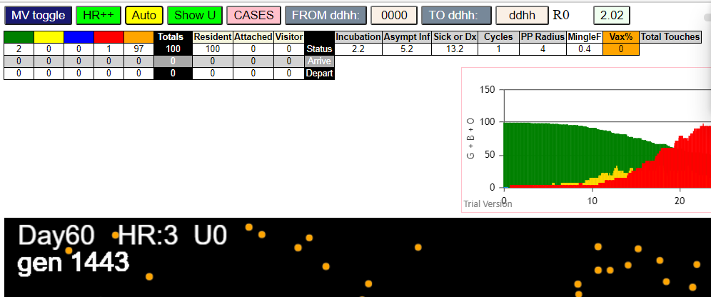

FIVE

simulationRev2Vax.js:4297 exit covidSim
simulationRev2Vax.js:23 getAsText File {name: "HundredAgentsU0.csv", lastModified: 1599797804000, lastModifiedDate: Thu Sep 10 2020 21:16:44 GMT-0700 (Pacific Daylight Time), webkitRelativePath: "", size: 2140, …}
simulationRev2Vax.js:32 File {name: "HundredAgentsU0.csv", lastModified: 1599797804000, lastModifiedDate: Thu Sep 10 2020 21:16:44 GMT-0700 (Pacific Daylight Time), webkitRelativePath: "", size: 2140, …}
simulationRev2Vax.js:23 getAsText File {name: "VL5.csv", lastModified: 1602824104000, lastModifiedDate: Thu Oct 15 2020 21:55:04 GMT-0700 (Pacific Daylight Time), webkitRelativePath: "", size: 144, …}
simulationRev2Vax.js:32 File {name: "VL5.csv", lastModified: 1602824104000, lastModifiedDate: Thu Oct 15 2020 21:55:04 GMT-0700 (Pacific Daylight Time), webkitRelativePath: "", size: 144, …}
simulationRev2Vax.js:2133 0I j:famKey 88:-1 infected by green i:famKey 14:-1 at gen 0 in Univ0 prob=0.645
simulationRev2Vax.js:2133 6I j:famKey 31:-1 infected by blue i:famKey 10:-1 at gen 2 in Univ0 prob=0.865
simulationRev2Vax.js:2133 6I j:famKey 98:-1 infected by red i:famKey 13:-1 at gen 3 in Univ0 prob=0.011
simulationRev2Vax.js:2150 8I i:famKey 6:-1 infected by blue j:famKey 14:-1 at gen 5 in U0 prob=0.013
simulationRev2Vax.js:2133 9I j:famKey 49:-1 infected by blue i:famKey 11:-1 at gen 13 in Univ0 prob=0.496
simulationRev2Vax.js:2150 10I i:famKey 4:-1 infected by red j:famKey 11:-1 at gen 23 in U0 prob=0.452
simulationRev2Vax.js:2133 11I j:famKey 37:-1 infected by red i:famKey 13:-1 at gen 30 in Univ0 prob=0.579
simulationRev2Vax.js:2133 12I j:famKey 45:-1 infected by red i:famKey 11:-1 at gen 32 in Univ0 prob=0.868
simulationRev2Vax.js:2133 13I j:famKey 46:-1 infected by red i:famKey 12:-1 at gen 37 in Univ0 prob=0.001
simulationRev2Vax.js:2133 14I j:famKey 94:-1 infected by red i:famKey 12:-1 at gen 51 in Univ0 prob=0.594
simulationRev2Vax.js:2133 15I j:famKey 92:-1 infected by red i:famKey 14:-1 at gen 59 in Univ0 prob=0.839
simulationRev2Vax.js:2133 16I j:famKey 34:-1 infected by red i:famKey 14:-1 at gen 66 in Univ0 prob=0.525
simulationRev2Vax.js:2150 17I i:famKey 22:-1 infected by blue j:famKey 49:-1 at gen 85 in U0 prob=0.288
simulationRev2Vax.js:2133 17I j:famKey 82:-1 infected by blue i:famKey 49:-1 at gen 86 in Univ0 prob=0.875
simulationRev2Vax.js:2133 19I j:famKey 25:-1 infected by red i:famKey 11:-1 at gen 90 in Univ0 prob=0.142
simulationRev2Vax.js:2150 20I i:famKey 9:-1 infected by red j:famKey 12:-1 at gen 93 in U0 prob=0.793
simulationRev2Vax.js:2133 21I j:famKey 21:-1 infected by red i:famKey 13:-1 at gen 98 in Univ0 prob=0.638
simulationRev2Vax.js:2150 22I i:famKey 33:-1 infected by blue j:famKey 37:-1 at gen 110 in U0 prob=0.243
simulationRev2Vax.js:2133 22I j:famKey 89:-1 infected by blue i:famKey 46:-1 at gen 110 in Univ0 prob=0.432
simulationRev2Vax.js:2133 22I j:famKey 62:-1 infected by blue i:famKey 4:-1 at gen 111 in Univ0 prob=0.368
simulationRev2Vax.js:2133 25I j:famKey 29:-1 infected by red i:famKey 13:-1 at gen 115 in Univ0 prob=0.047
simulationRev2Vax.js:2133 25I j:famKey 59:-1 infected by red i:famKey 12:-1 at gen 116 in Univ0 prob=0.695
simulationRev2Vax.js:2150 27I i:famKey 80:-1 infected by blue j:famKey 92:-1 at gen 118 in U0 prob=0.900
simulationRev2Vax.js:2133 28I j:famKey 66:-1 infected by red i:famKey 6:-1 at gen 130 in Univ0 prob=0.642
simulationRev2Vax.js:2133 29I j:famKey 55:-1 infected by red i:famKey 31:-1 at gen 137 in Univ0 prob=0.160
simulationRev2Vax.js:2133 30I j:famKey 38:-1 infected by red i:famKey 12:-1 at gen 139 in Univ0 prob=0.310
simulationRev2Vax.js:2150 31I i:famKey 68:-1 infected by blue j:famKey 92:-1 at gen 142 in U0 prob=0.347
simulationRev2Vax.js:2133 32I j:famKey 47:-1 infected by blue i:famKey 45:-1 at gen 146 in Univ0 prob=0.819
simulationRev2Vax.js:2150 33I i:famKey 75:-1 infected by red j:famKey 98:-1 at gen 150 in U0 prob=0.196
simulationRev2Vax.js:2133 33I j:famKey 81:-1 infected by red i:famKey 14:-1 at gen 151 in Univ0 prob=0.418
simulationRev2Vax.js:2133 34I j:famKey 20:-1 infected by blue i:famKey 9:-1 at gen 152 in Univ0 prob=0.795
simulationRev2Vax.js:2133 34I j:famKey 52:-1 infected by blue i:famKey 9:-1 at gen 152 in Univ0 prob=0.606
simulationRev2Vax.js:2150 37I i:famKey 63:-1 infected by blue j:famKey 92:-1 at gen 155 in U0 prob=0.388
simulationRev2Vax.js:2150 38I i:famKey 44:-1 infected by red j:famKey 46:-1 at gen 157 in U0 prob=0.938
simulationRev2Vax.js:2133 39I j:famKey 28:-1 infected by red i:famKey 10:-1 at gen 159 in Univ0 prob=0.946
simulationRev2Vax.js:2133 40I j:famKey 40:-1 infected by red i:famKey 13:-1 at gen 162 in Univ0 prob=0.356
simulationRev2Vax.js:2133 41I j:famKey 96:-1 infected by blue i:famKey 94:-1 at gen 165 in Univ0 prob=0.810
simulationRev2Vax.js:2133 42I j:famKey 99:-1 infected by blue i:famKey 22:-1 at gen 173 in Univ0 prob=0.646
simulationRev2Vax.js:2133 42I j:famKey 69:-1 infected by red i:famKey 46:-1 at gen 174 in Univ0 prob=0.955
simulationRev2Vax.js:2150 44I i:famKey 26:-1 infected by yellow j:famKey 69:-1 at gen 177 in U0 prob=0.404
simulationRev2Vax.js:2133 44I j:famKey 78:-1 infected by blue i:famKey 21:-1 at gen 178 in Univ0 prob=0.234
simulationRev2Vax.js:2150 46I i:famKey 7:-1 infected by yellow j:famKey 75:-1 at gen 187 in U0 prob=0.887
simulationRev2Vax.js:2133 46I j:famKey 73:-1 infected by blue i:famKey 62:-1 at gen 187 in Univ0 prob=0.808
simulationRev2Vax.js:2133 48I j:famKey 71:-1 infected by red i:famKey 46:-1 at gen 189 in Univ0 prob=0.746
simulationRev2Vax.js:2150 49I i:famKey 91:-1 infected by red j:famKey 92:-1 at gen 193 in U0 prob=0.184
simulationRev2Vax.js:2150 50I i:famKey 18:-1 infected by red j:famKey 46:-1 at gen 204 in U0 prob=0.837
simulationRev2Vax.js:2150 51I i:famKey 53:-1 infected by blue j:famKey 68:-1 at gen 206 in U0 prob=0.345
simulationRev2Vax.js:2133 52I j:famKey 74:-1 infected by red i:famKey 25:-1 at gen 217 in Univ0 prob=0.424
simulationRev2Vax.js:2133 53I j:famKey 60:-1 infected by red i:famKey 31:-1 at gen 219 in Univ0 prob=0.204
simulationRev2Vax.js:2150 54I i:famKey 2:-1 infected by yellow j:famKey 99:-1 at gen 221 in U0 prob=0.381
simulationRev2Vax.js:2133 54I j:famKey 48:-1 infected by blue i:famKey 47:-1 at gen 222 in Univ0 prob=0.129
simulationRev2Vax.js:2150 56I i:famKey 15:-1 infected by red j:famKey 45:-1 at gen 224 in U0 prob=0.188
simulationRev2Vax.js:2133 57I j:famKey 84:-1 infected by blue i:famKey 80:-1 at gen 227 in Univ0 prob=0.877
simulationRev2Vax.js:2133 58I j:famKey 64:-1 infected by red i:famKey 34:-1 at gen 229 in Univ0 prob=0.463
simulationRev2Vax.js:2150 58I i:famKey 70:-1 infected by red j:famKey 88:-1 at gen 229 in U0 prob=0.226
simulationRev2Vax.js:2133 60I j:famKey 77:-1 infected by red i:famKey 34:-1 at gen 234 in Univ0 prob=0.859
simulationRev2Vax.js:2133 61I j:famKey 85:-1 infected by red i:famKey 31:-1 at gen 237 in Univ0 prob=0.962
simulationRev2Vax.js:2133 62I j:famKey 56:-1 infected by red i:famKey 49:-1 at gen 250 in Univ0 prob=0.775
simulationRev2Vax.js:2133 62I j:famKey 90:-1 infected by blue i:famKey 73:-1 at gen 250 in Univ0 prob=0.334
simulationRev2Vax.js:2150 64I i:famKey 95:-1 infected by blue j:famKey 99:-1 at gen 253 in U0 prob=0.570
simulationRev2Vax.js:2150 65I i:famKey 50:-1 infected by red j:famKey 59:-1 at gen 257 in U0 prob=0.674
simulationRev2Vax.js:2133 66I j:famKey 86:-1 infected by red i:famKey 29:-1 at gen 259 in Univ0 prob=0.673
simulationRev2Vax.js:2133 66I j:famKey 79:-1 infected by red i:famKey 45:-1 at gen 260 in Univ0 prob=0.527
simulationRev2Vax.js:2150 68I i:famKey 58:-1 infected by blue j:famKey 73:-1 at gen 263 in U0 prob=0.701
simulationRev2Vax.js:2150 69I i:famKey 27:-1 infected by red j:famKey 62:-1 at gen 269 in U0 prob=0.349
simulationRev2Vax.js:2133 69I j:famKey 65:-1 infected by red i:famKey 29:-1 at gen 270 in Univ0 prob=0.421
simulationRev2Vax.js:2150 71I i:famKey 3:-1 infected by red j:famKey 29:-1 at gen 273 in U0 prob=0.723
simulationRev2Vax.js:2150 71I i:famKey 3:-1 infected by red j:famKey 34:-1 at gen 273 in U0 prob=0.100
simulationRev2Vax.js:2133 72I j:famKey 72:-1 infected by red i:famKey 52:-1 at gen 276 in Univ0 prob=0.017
simulationRev2Vax.js:2133 73I j:famKey 54:-1 infected by red i:famKey 9:-1 at gen 281 in Univ0 prob=0.980
simulationRev2Vax.js:2133 74I j:famKey 24:-1 infected by blue i:famKey 18:-1 at gen 283 in Univ0 prob=0.564
simulationRev2Vax.js:2133 74I j:famKey 39:-1 infected by red i:famKey 22:-1 at gen 283 in Univ0 prob=0.474
simulationRev2Vax.js:2150 76I i:famKey 1:-1 infected by red j:famKey 82:-1 at gen 300 in U0 prob=0.702
simulationRev2Vax.js:2133 76I j:famKey 67:-1 infected by blue i:famKey 60:-1 at gen 300 in Univ0 prob=0.991
simulationRev2Vax.js:2133 78I j:famKey 35:-1 infected by blue i:famKey 2:-1 at gen 311 in Univ0 prob=0.379
simulationRev2Vax.js:2133 78I j:famKey 23:-1 infected by red i:famKey 22:-1 at gen 312 in Univ0 prob=0.018
simulationRev2Vax.js:2150 80I i:famKey 8:-1 infected by red j:famKey 28:-1 at gen 315 in U0 prob=0.935
simulationRev2Vax.js:2133 80I j:famKey 19:-1 infected by blue i:famKey 2:-1 at gen 316 in Univ0 prob=0.814
simulationRev2Vax.js:2150 82I i:famKey 17:-1 infected by blue j:famKey 70:-1 at gen 327 in U0 prob=0.411
simulationRev2Vax.js:2133 83I j:famKey 43:-1 infected by red i:famKey 26:-1 at gen 336 in Univ0 prob=0.585
simulationRev2Vax.js:2150 84I i:famKey 0:-1 infected by blue j:famKey 65:-1 at gen 338 in U0 prob=0.641
simulationRev2Vax.js:2150 84I i:famKey 36:-1 infected by blue j:famKey 77:-1 at gen 338 in U0 prob=0.614
simulationRev2Vax.js:2150 86I i:famKey 61:-1 infected by red j:famKey 74:-1 at gen 344 in U0 prob=0.699
simulationRev2Vax.js:2150 87I i:famKey 30:-1 infected by blue j:famKey 86:-1 at gen 356 in U0 prob=0.504
simulationRev2Vax.js:2150 87I i:famKey 5:-1 infected by red j:famKey 85:-1 at gen 357 in U0 prob=0.490
simulationRev2Vax.js:2133 87I j:famKey 93:-1 infected by blue i:famKey 65:-1 at gen 357 in Univ0 prob=0.105
simulationRev2Vax.js:2150 90I i:famKey 16:-1 infected by blue j:famKey 95:-1 at gen 362 in U0 prob=0.313
simulationRev2Vax.js:2133 91I j:famKey 41:-1 infected by red i:famKey 25:-1 at gen 368 in Univ0 prob=0.355
simulationRev2Vax.js:2133 92I j:famKey 97:-1 infected by red i:famKey 84:-1 at gen 379 in Univ0 prob=0.701
simulationRev2Vax.js:2133 92I j:famKey 83:-1 infected by red i:famKey 40:-1 at gen 380 in Univ0 prob=0.923
simulationRev2Vax.js:2150 94I i:famKey 32:-1 infected by red j:famKey 71:-1 at gen 401 in U0 prob=0.576
simulationRev2Vax.js:2133 95I j:famKey 42:-1 infected by red i:famKey 17:-1 at gen 464 in Univ0 prob=0.913
simulationRev2Vax.js:2150 96I i:famKey 57:-1 infected by red j:famKey 93:-1 at gen 489 in U0 prob=0.817
simulationRev2Vax.js:2133 97I j:famKey 76:-1 infected by red i:famKey 54:-1 at gen 538 in Univ0 prob=0.382

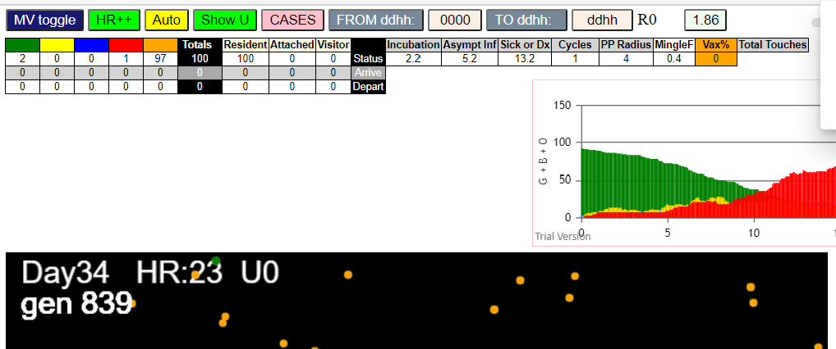

Sat Jan 02 2021 11:43:45 GMT-0800 (Pacific Standard Time)
simulationRev2Vax.js:834 CovidSIMVL Mode1 and Mod2 vaccinations
simulationRev2Vax.js:4299 exit covidSim
simulationRev2Vax.js:23 getAsText File {name: "HundredAgentsU0mF1.csv", lastModified: 1608077990000, lastModifiedDate: Tue Dec 15 2020 16:19:50 GMT-0800 (Pacific Standard Time), webkitRelativePath: "", size: 2140, …}
simulationRev2Vax.js:32 File {name: "HundredAgentsU0mF1.csv", lastModified: 1608077990000, lastModifiedDate: Tue Dec 15 2020 16:19:50 GMT-0800 (Pacific Standard Time), webkitRelativePath: "", size: 2140, …}
simulationRev2Vax.js:23 getAsText File {name: "VL1.csv", lastModified: 1608081530000, lastModifiedDate: Tue Dec 15 2020 17:18:50 GMT-0800 (Pacific Standard Time), webkitRelativePath: "", size: 65, …}
simulationRev2Vax.js:32 File {name: "VL1.csv", lastModified: 1608081530000, lastModifiedDate: Tue Dec 15 2020 17:18:50 GMT-0800 (Pacific Standard Time), webkitRelativePath: "", size: 65, …}
simulationRev2Vax.js:2135 0I j:famKey 54:-1 infected by green i:famKey 5:-1 at gen 0 in Univ0 prob=0.802
simulationRev2Vax.js:2152 2I i:famKey 49:-1 infected by blue j:famKey 54:-1 at gen 114 in U0 prob=0.626
simulationRev2Vax.js:2152 3I i:famKey 24:-1 infected by red j:famKey 49:-1 at gen 240 in U0 prob=0.216

mode1
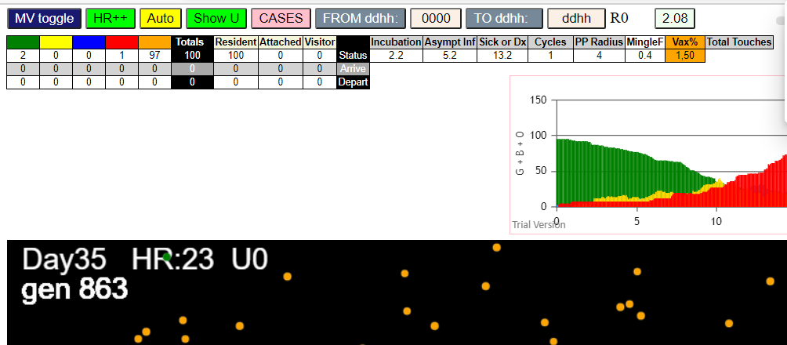
simulationRev2Vax.js:4297 exit covidSim
simulationRev2Vax.js:23 getAsText File {name: "HundredAgentsU0.csv", lastModified: 1599797804000, lastModifiedDate: Thu Sep 10 2020 21:16:44 GMT-0700 (Pacific Daylight Time), webkitRelativePath: "", size: 2140, …}
simulationRev2Vax.js:32 File {name: "HundredAgentsU0.csv", lastModified: 1599797804000, lastModifiedDate: Thu Sep 10 2020 21:16:44 GMT-0700 (Pacific Daylight Time), webkitRelativePath: "", size: 2140, …}
simulationRev2Vax.js:23 getAsText File {name: "VL1.csv", lastModified: 1603760180000, lastModifiedDate: Mon Oct 26 2020 17:56:20 GMT-0700 (Pacific Daylight Time), webkitRelativePath: "", size: 66, …}
simulationRev2Vax.js:32 File {name: "VL1.csv", lastModified: 1603760180000, lastModifiedDate: Mon Oct 26 2020 17:56:20 GMT-0700 (Pacific Daylight Time), webkitRelativePath: "", size: 66, …}
simulationRev2Vax.js:2133 0I j:famKey 73:-1 infected by blue i:famKey 10:-1 at gen 1 in Univ0 prob=0.806
simulationRev2Vax.js:1674 (100) [0, 1, 2, 3, 4, 5, 6, 7, 8, 9, 10, 11, 12, 13, 14, 15, 16, 17, 18, 19, 20, 21, 22, 23, 24, 25, 26, 27, 28, 29, 30, 31, 32, 33, 34, 35, 36, 37, 38, 39, 40, 41, 42, 43, 44, 45, 46, 47, 48, 49, 50, 51, 52, 53, 54, 55, 56, 57, 58, 59, 60, 61, 62, 63, 64, 65, 66, 67, 68, 69, 70, 71, 72, 73, 74, 75, 76, 77, 78, 79, 80, 81, 82, 83, 84, 85, 86, 87, 88, 89, 90, 91, 92, 93, 94, 95, 96, 97, 98, 99]
simulationRev2Vax.js:1684 (99) [0, 1, 2, 3, 4, 5, 6, 7, 8, 9, 11, 12, 13, 14, 15, 16, 17, 18, 19, 20, 21, 22, 23, 24, 25, 26, 27, 28, 29, 30, 31, 32, 33, 34, 35, 36, 37, 38, 39, 40, 41, 42, 43, 44, 45, 46, 47, 48, 49, 50, 51, 52, 53, 54, 55, 56, 57, 58, 59, 60, 61, 62, 63, 64, 65, 66, 67, 68, 69, 70, 71, 72, 73, 74, 75, 76, 77, 78, 79, 80, 81, 82, 83, 84, 85, 86, 87, 88, 89, 90, 91, 92, 93, 94, 95, 96, 97, 98, 99]
simulationRev2Vax.js:1712 Vaccination list = 49
simulationRev2Vax.js:1726 vaccinated 62,49,41,72,75,90,48,89,65,60,74,7,12,58,57,3,35,71,52,34,22,82,33,21,92,44,64,91,29,8,23,37,81,93,1,36,96,51,31,17,18,67,46,59,13,43,27,88,50
simulationRev2Vax.js:2150 2I i:famKey 5:-1 infected by red j:famKey 10:-1 at gen 37 in U0 prob=0.186
simulationRev2Vax.js:2150 3I i:famKey 65:-1 infected by blue j:famKey 73:-1 at gen 55 in U0 prob=0.788
simulationRev2Vax.js:2150 4I i:famKey 26:-1 infected by blue j:famKey 73:-1 at gen 84 in U0 prob=0.665
simulationRev2Vax.js:2133 5I j:famKey 81:-1 infected by yellow i:famKey 26:-1 at gen 88 in Univ0 prob=0.211
simulationRev2Vax.js:2133 6I j:famKey 96:-1 infected by red i:famKey 10:-1 at gen 90 in Univ0 prob=0.961
simulationRev2Vax.js:2133 7I j:famKey 31:-1 infected by blue i:famKey 5:-1 at gen 95 in Univ0 prob=0.375
simulationRev2Vax.js:2150 8I i:famKey 39:-1 infected by red j:famKey 73:-1 at gen 150 in U0 prob=0.432
simulationRev2Vax.js:2150 9I i:famKey 2:-1 infected by blue j:famKey 96:-1 at gen 171 in U0 prob=0.303
simulationRev2Vax.js:2150 9I i:famKey 62:-1 infected by blue j:famKey 81:-1 at gen 171 in U0 prob=0.451
simulationRev2Vax.js:2133 11I j:famKey 49:-1 infected by red i:famKey 10:-1 at gen 173 in Univ0 prob=0.467
simulationRev2Vax.js:2150 12I i:famKey 27:-1 infected by blue j:famKey 81:-1 at gen 177 in U0 prob=0.665
simulationRev2Vax.js:2133 13I j:famKey 44:-1 infected by blue i:famKey 39:-1 at gen 227 in Univ0 prob=0.601
simulationRev2Vax.js:2133 14I j:famKey 50:-1 infected by blue i:famKey 2:-1 at gen 243 in Univ0 prob=0.258
simulationRev2Vax.js:2133 15I j:famKey 40:-1 infected by red i:famKey 26:-1 at gen 247 in Univ0 prob=0.853
simulationRev2Vax.js:2133 16I j:famKey 61:-1 infected by blue i:famKey 2:-1 at gen 251 in Univ0 prob=0.126
simulationRev2Vax.js:2133 16I j:famKey 78:-1 infected by red i:famKey 31:-1 at gen 252 in Univ0 prob=0.417
simulationRev2Vax.js:2133 18I j:famKey 69:-1 infected by blue i:famKey 62:-1 at gen 256 in Univ0 prob=0.238
simulationRev2Vax.js:2150 19I i:famKey 23:-1 infected by red j:famKey 39:-1 at gen 276 in U0 prob=0.549
simulationRev2Vax.js:2150 20I i:famKey 56:-1 infected by red j:famKey 81:-1 at gen 314 in U0 prob=0.701
simulationRev2Vax.js:2150 21I i:famKey 7:-1 infected by red j:famKey 96:-1 at gen 322 in U0 prob=0.070
simulationRev2Vax.js:2150 22I i:famKey 77:-1 infected by blue j:famKey 78:-1 at gen 325 in U0 prob=0.393
simulationRev2Vax.js:2133 23I j:famKey 91:-1 infected by red i:famKey 26:-1 at gen 328 in Univ0 prob=0.866
simulationRev2Vax.js:2150 24I i:famKey 20:-1 infected by blue j:famKey 69:-1 at gen 333 in U0 prob=0.126
simulationRev2Vax.js:2150 25I i:famKey 11:-1 infected by red j:famKey 44:-1 at gen 369 in U0 prob=0.896
simulationRev2Vax.js:2150 26I i:famKey 19:-1 infected by red j:famKey 49:-1 at gen 451 in U0 prob=0.982
simulationRev2Vax.js:2150 27I i:famKey 64:-1 infected by red j:famKey 77:-1 at gen 472 in U0 prob=0.867
simulationRev2Vax.js:2133 28I j:famKey 34:-1 infected by red i:famKey 11:-1 at gen 512 in Univ0 prob=0.947
simulationRev2Vax.js:2150 28I i:famKey 24:-1 infected by red j:famKey 44:-1 at gen 513 in U0 prob=0.921
simulationRev2Vax.js:2133 30I j:famKey 89:-1 infected by red i:famKey 61:-1 at gen 535 in Univ0 prob=0.899
simulationRev2Vax.js:2133 31I j:famKey 93:-1 infected by blue i:famKey 24:-1 at gen 602 in Univ0 prob=0.920
simulationRev2Vax.js:2133 32I j:famKey 97:-1 infected by red i:famKey 11:-1 at gen 605 in Univ0 prob=0.787
simulationRev2Vax.js:2133 33I j:famKey 95:-1 infected by red i:famKey 34:-1 at gen 635 in Univ0 prob=0.945
simulationRev2Vax.js:2133 34I j:famKey 53:-1 infected by red i:famKey 34:-1 at gen 657 in Univ0 prob=0.771
simulationRev2Vax.js:2150 35I i:famKey 76:-1 infected by blue j:famKey 93:-1 at gen 679 in U0 prob=0.789
simulationRev2Vax.js:2150 36I i:famKey 3:-1 infected by blue j:famKey 97:-1 at gen 711 in U0 prob=0.918
simulationRev2Vax.js:2150 37I i:famKey 90:-1 infected by blue j:famKey 95:-1 at gen 736 in U0 prob=0.856
simulationRev2Vax.js:2150 38I i:famKey 33:-1 infected by blue j:famKey 53:-1 at gen 756 in U0 prob=0.765
simulationRev2Vax.js:2150 39I i:famKey 22:-1 infected by blue j:famKey 90:-1 at gen 825 in U0 prob=0.799
simulationRev2Vax.js:2133 40I j:famKey 92:-1 infected by red i:famKey 53:-1 at gen 865 in Univ0 prob=0.928
simulationRev2Vax.js:2150 41I i:famKey 13:-1 infected by red j:famKey 90:-1 at gen 907 in U0 prob=0.955
simulationRev2Vax.js:2133 42I j:famKey 52:-1 infected by red i:famKey 3:-1 at gen 932 in Univ0 prob=0.823
simulationRev2Vax.js:2133 43I j:famKey 87:-1 infected by red i:famKey 33:-1 at gen 939 in Univ0 prob=0.969
simulationRev2Vax.js:2133 44I j:famKey 99:-1 infected by red i:famKey 3:-1 at gen 959 in Univ0 prob=0.821
simulationRev2Vax.js:2133 45I j:famKey 79:-1 infected by blue i:famKey 52:-1 at gen 1008 in Univ0 prob=0.100
simulationRev2Vax.js:2150 46I i:famKey 12:-1 infected by red j:famKey 13:-1 at gen 1031 in U0 prob=0.955
simulationRev2Vax.js:2150 47I i:famKey 4:-1 infected by red j:famKey 92:-1 at gen 1037 in U0 prob=0.485
simulationRev2Vax.js:2150 48I i:famKey 85:-1 infected by red j:famKey 92:-1 at gen 1042 in U0 prob=0.015
simulationRev2Vax.js:2150 49I i:famKey 54:-1 infected by blue j:famKey 99:-1 at gen 1064 in U0 prob=0.078
simulationRev2Vax.js:2150 50I i:famKey 42:-1 infected by blue j:famKey 99:-1 at gen 1070 in U0 prob=0.294
simulationRev2Vax.js:2150 51I i:famKey 9:-1 infected by red j:famKey 87:-1 at gen 1097 in U0 prob=0.303
simulationRev2Vax.js:2150 52I i:famKey 68:-1 infected by red j:famKey 87:-1 at gen 1101 in U0 prob=0.324
simulationRev2Vax.js:2133 53I j:famKey 84:-1 infected by blue i:famKey 79:-1 at gen 1115 in Univ0 prob=0.299
simulationRev2Vax.js:2133 54I j:famKey 37:-1 infected by red i:famKey 13:-1 at gen 1117 in Univ0 prob=0.635
simulationRev2Vax.js:2133 55I j:famKey 57:-1 infected by blue i:famKey 12:-1 at gen 1129 in Univ0 prob=0.672
simulationRev2Vax.js:2150 56I i:famKey 0:-1 infected by red j:famKey 79:-1 at gen 1133 in U0 prob=0.923
simulationRev2Vax.js:2133 57I j:famKey 94:-1 infected by red i:famKey 13:-1 at gen 1137 in Univ0 prob=0.369
simulationRev2Vax.js:2133 57I j:famKey 70:-1 infected by red i:famKey 52:-1 at gen 1137 in Univ0 prob=0.997
simulationRev2Vax.js:2150 59I i:famKey 71:-1 infected by red j:famKey 79:-1 at gen 1150 in U0 prob=0.071
simulationRev2Vax.js:2133 60I j:famKey 17:-1 infected by red i:famKey 13:-1 at gen 1167 in Univ0 prob=0.318
simulationRev2Vax.js:2150 60I i:famKey 66:-1 infected by red j:famKey 85:-1 at gen 1168 in U0 prob=0.433
simulationRev2Vax.js:2150 62I i:famKey 59:-1 infected by blue j:famKey 84:-1 at gen 1175 in U0 prob=0.529
simulationRev2Vax.js:2150 63I i:famKey 75:-1 infected by red j:famKey 87:-1 at gen 1184 in U0 prob=0.072
simulationRev2Vax.js:2150 64I i:famKey 6:-1 infected by blue j:famKey 37:-1 at gen 1192 in U0 prob=0.527
simulationRev2Vax.js:2133 65I j:famKey 28:-1 infected by blue i:famKey 9:-1 at gen 1199 in Univ0 prob=0.717
simulationRev2Vax.js:2133 66I j:famKey 41:-1 infected by red i:famKey 12:-1 at gen 1202 in Univ0 prob=0.162
simulationRev2Vax.js:2150 66I i:famKey 55:-1 infected by blue j:famKey 57:-1 at gen 1203 in U0 prob=0.447
simulationRev2Vax.js:2133 68I j:famKey 88:-1 infected by blue i:famKey 68:-1 at gen 1206 in Univ0 prob=0.410
simulationRev2Vax.js:2150 69I i:famKey 14:-1 infected by blue j:famKey 57:-1 at gen 1209 in U0 prob=0.987
simulationRev2Vax.js:2133 70I j:famKey 29:-1 infected by blue i:famKey 0:-1 at gen 1216 in Univ0 prob=0.100
simulationRev2Vax.js:2133 70I j:famKey 18:-1 infected by blue i:famKey 9:-1 at gen 1216 in Univ0 prob=0.404
simulationRev2Vax.js:2133 72I j:famKey 82:-1 infected by blue i:famKey 57:-1 at gen 1220 in Univ0 prob=0.074
simulationRev2Vax.js:2150 73I i:famKey 36:-1 infected by red j:famKey 42:-1 at gen 1222 in U0 prob=0.501
simulationRev2Vax.js:2150 74I i:famKey 63:-1 infected by yellow j:famKey 75:-1 at gen 1235 in U0 prob=0.345
simulationRev2Vax.js:2150 75I i:famKey 47:-1 infected by blue j:famKey 70:-1 at gen 1241 in U0 prob=0.300
simulationRev2Vax.js:2150 76I i:famKey 58:-1 infected by blue j:famKey 94:-1 at gen 1248 in U0 prob=0.254
simulationRev2Vax.js:2150 77I i:famKey 16:-1 infected by blue j:famKey 17:-1 at gen 1257 in U0 prob=0.389
simulationRev2Vax.js:2150 78I i:famKey 35:-1 infected by blue j:famKey 70:-1 at gen 1259 in U0 prob=0.533
simulationRev2Vax.js:2133 79I j:famKey 1:-1 infected by red i:famKey 0:-1 at gen 1269 in Univ0 prob=0.729
simulationRev2Vax.js:2150 80I i:famKey 25:-1 infected by blue j:famKey 41:-1 at gen 1277 in U0 prob=0.417
simulationRev2Vax.js:2133 81I j:famKey 32:-1 infected by blue i:famKey 18:-1 at gen 1282 in Univ0 prob=0.428
simulationRev2Vax.js:2133 82I j:famKey 48:-1 infected by blue i:famKey 6:-1 at gen 1302 in Univ0 prob=0.606
simulationRev2Vax.js:2150 82I i:famKey 8:-1 infected by red j:famKey 66:-1 at gen 1302 in U0 prob=0.170
simulationRev2Vax.js:2150 84I i:famKey 45:-1 infected by blue j:famKey 88:-1 at gen 1306 in U0 prob=0.214
simulationRev2Vax.js:2150 85I i:famKey 43:-1 infected by red j:famKey 85:-1 at gen 1308 in U0 prob=0.045
simulationRev2Vax.js:2150 85I i:famKey 51:-1 infected by red j:famKey 70:-1 at gen 1308 in U0 prob=0.691
simulationRev2Vax.js:2150 87I i:famKey 30:-1 infected by red j:famKey 41:-1 at gen 1341 in U0 prob=0.568
simulationRev2Vax.js:2150 88I i:famKey 67:-1 infected by red j:famKey 82:-1 at gen 1343 in U0 prob=0.958
simulationRev2Vax.js:2133 89I j:famKey 86:-1 infected by red i:famKey 71:-1 at gen 1357 in Univ0 prob=0.765
simulationRev2Vax.js:2133 90I j:famKey 83:-1 infected by red i:famKey 35:-1 at gen 1379 in Univ0 prob=0.204
simulationRev2Vax.js:2133 91I j:famKey 98:-1 infected by red i:famKey 88:-1 at gen 1422 in Univ0 prob=0.061
simulationRev2Vax.js:2150 92I i:famKey 21:-1 infected by blue j:famKey 83:-1 at gen 1467 in U0 prob=0.400
simulationRev2Vax.js:2150 93I i:famKey 15:-1 infected by red j:famKey 36:-1 at gen 1477 in U0 prob=0.580
simulationRev2Vax.js:2133 94I j:famKey 74:-1 infected by red i:famKey 36:-1 at gen 1486 in Univ0 prob=0.928
simulationRev2Vax.js:2133 95I j:famKey 80:-1 infected by red i:famKey 8:-1 at gen 1525 in Univ0 prob=0.002

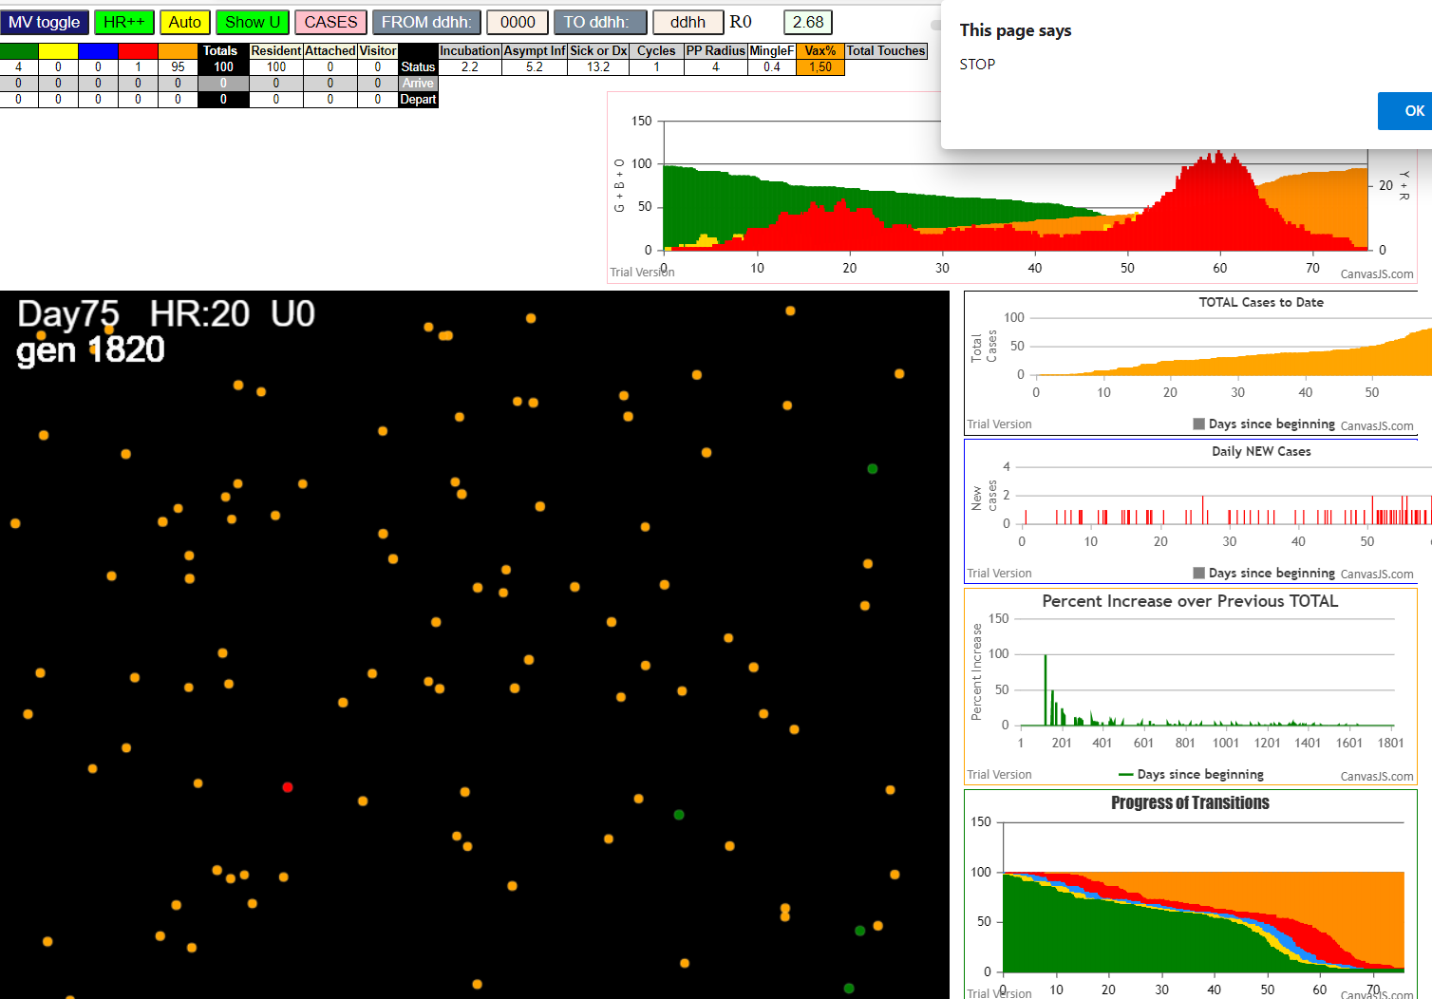

simulationRev2Vax.js:4297 exit covidSim
simulationRev2Vax.js:23 getAsText File {name: "HundredAgentsU0.csv", lastModified: 1599797804000, lastModifiedDate: Thu Sep 10 2020 21:16:44 GMT-0700 (Pacific Daylight Time), webkitRelativePath: "", size: 2140, …}
simulationRev2Vax.js:32 File {name: "HundredAgentsU0.csv", lastModified: 1599797804000, lastModifiedDate: Thu Sep 10 2020 21:16:44 GMT-0700 (Pacific Daylight Time), webkitRelativePath: "", size: 2140, …}
simulationRev2Vax.js:23 getAsText File {name: "VL1.csv", lastModified: 1603760180000, lastModifiedDate: Mon Oct 26 2020 17:56:20 GMT-0700 (Pacific Daylight Time), webkitRelativePath: "", size: 66, …}
simulationRev2Vax.js:32 File {name: "VL1.csv", lastModified: 1603760180000, lastModifiedDate: Mon Oct 26 2020 17:56:20 GMT-0700 (Pacific Daylight Time), webkitRelativePath: "", size: 66, …}
simulationRev2Vax.js:2133 0I j:famKey 93:-1 infected by green i:famKey 10:-1 at gen 0 in Univ0 prob=0.445
simulationRev2Vax.js:1674 (100) [0, 1, 2, 3, 4, 5, 6, 7, 8, 9, 10, 11, 12, 13, 14, 15, 16, 17, 18, 19, 20, 21, 22, 23, 24, 25, 26, 27, 28, 29, 30, 31, 32, 33, 34, 35, 36, 37, 38, 39, 40, 41, 42, 43, 44, 45, 46, 47, 48, 49, 50, 51, 52, 53, 54, 55, 56, 57, 58, 59, 60, 61, 62, 63, 64, 65, 66, 67, 68, 69, 70, 71, 72, 73, 74, 75, 76, 77, 78, 79, 80, 81, 82, 83, 84, 85, 86, 87, 88, 89, 90, 91, 92, 93, 94, 95, 96, 97, 98, 99]
simulationRev2Vax.js:1684 (98) [0, 1, 2, 3, 4, 5, 6, 7, 8, 9, 11, 12, 13, 14, 15, 16, 17, 18, 19, 20, 21, 22, 23, 24, 25, 26, 27, 28, 29, 30, 31, 32, 33, 34, 35, 36, 37, 38, 39, 40, 41, 42, 43, 44, 45, 46, 47, 48, 49, 50, 51, 52, 53, 54, 55, 56, 57, 58, 59, 60, 61, 62, 63, 64, 65, 66, 67, 68, 69, 70, 71, 72, 73, 74, 75, 76, 77, 78, 79, 80, 81, 82, 83, 84, 85, 86, 87, 88, 89, 90, 91, 92, 94, 95, 96, 97, 98, 99]
simulationRev2Vax.js:1712 Vaccination list = 49
simulationRev2Vax.js:1726 vaccinated 33,46,82,51,0,20,77,85,11,69,27,58,56,66,55,71,68,96,78,79,84,2,61,6,16,22,62,26,64,99,17,12,41,83,15,25,9,70,5,13,37,90,94,49,80,31,72,86,40
simulationRev2Vax.js:2133 2I j:famKey 53:-1 infected by blue i:famKey 10:-1 at gen 3 in Univ0 prob=0.392
simulationRev2Vax.js:2133 3I j:famKey 60:-1 infected by red i:famKey 10:-1 at gen 37 in Univ0 prob=0.491
simulationRev2Vax.js:2133 4I j:famKey 99:-1 infected by red i:famKey 10:-1 at gen 50 in Univ0 prob=0.365
simulationRev2Vax.js:2150 5I i:famKey 68:-1 infected by blue j:famKey 93:-1 at gen 74 in U0 prob=0.601
simulationRev2Vax.js:2133 6I j:famKey 65:-1 infected by blue i:famKey 53:-1 at gen 84 in Univ0 prob=0.367
simulationRev2Vax.js:2133 7I j:famKey 64:-1 infected by blue i:famKey 53:-1 at gen 90 in Univ0 prob=0.933
simulationRev2Vax.js:2133 8I j:famKey 45:-1 infected by red i:famKey 10:-1 at gen 95 in Univ0 prob=0.533
simulationRev2Vax.js:2133 9I j:famKey 89:-1 infected by red i:famKey 10:-1 at gen 106 in Univ0 prob=0.714
simulationRev2Vax.js:2150 10I i:famKey 24:-1 infected by blue j:famKey 93:-1 at gen 114 in U0 prob=0.516
simulationRev2Vax.js:2150 11I i:famKey 47:-1 infected by blue j:famKey 60:-1 at gen 139 in U0 prob=0.239
simulationRev2Vax.js:2133 12I j:famKey 72:-1 infected by red i:famKey 53:-1 at gen 143 in Univ0 prob=0.446
simulationRev2Vax.js:2150 13I i:famKey 31:-1 infected by blue j:famKey 64:-1 at gen 154 in U0 prob=0.042
simulationRev2Vax.js:2150 14I i:famKey 19:-1 infected by blue j:famKey 68:-1 at gen 162 in U0 prob=0.767
simulationRev2Vax.js:2150 15I i:famKey 33:-1 infected by red j:famKey 93:-1 at gen 164 in U0 prob=0.760
simulationRev2Vax.js:2150 16I i:famKey 49:-1 infected by blue j:famKey 65:-1 at gen 175 in U0 prob=0.283
simulationRev2Vax.js:2150 17I i:famKey 87:-1 infected by red j:famKey 93:-1 at gen 178 in U0 prob=0.422
simulationRev2Vax.js:2150 18I i:famKey 23:-1 infected by red j:famKey 60:-1 at gen 180 in U0 prob=0.504
simulationRev2Vax.js:2133 18I j:famKey 29:-1 infected by blue i:famKey 24:-1 at gen 181 in Univ0 prob=0.683
simulationRev2Vax.js:2150 20I i:famKey 26:-1 infected by blue j:famKey 64:-1 at gen 187 in U0 prob=0.418
simulationRev2Vax.js:2133 21I j:famKey 95:-1 infected by red i:famKey 93:-1 at gen 193 in Univ0 prob=0.743
simulationRev2Vax.js:2133 22I j:famKey 51:-1 infected by blue i:famKey 24:-1 at gen 199 in Univ0 prob=0.176
simulationRev2Vax.js:2133 23I j:famKey 56:-1 infected by blue i:famKey 24:-1 at gen 205 in Univ0 prob=0.793
simulationRev2Vax.js:2133 24I j:famKey 91:-1 infected by blue i:famKey 47:-1 at gen 212 in Univ0 prob=0.067
simulationRev2Vax.js:2133 25I j:famKey 58:-1 infected by blue i:famKey 31:-1 at gen 227 in Univ0 prob=0.687
simulationRev2Vax.js:2150 26I i:famKey 9:-1 infected by blue j:famKey 19:-1 at gen 235 in U0 prob=0.508
simulationRev2Vax.js:2133 26I j:famKey 74:-1 infected by blue i:famKey 29:-1 at gen 235 in Univ0 prob=0.704
simulationRev2Vax.js:2133 28I j:famKey 94:-1 infected by blue i:famKey 33:-1 at gen 238 in Univ0 prob=0.812
simulationRev2Vax.js:2150 29I i:famKey 32:-1 infected by red j:famKey 45:-1 at gen 243 in U0 prob=0.434
simulationRev2Vax.js:2133 30I j:famKey 62:-1 infected by blue i:famKey 29:-1 at gen 256 in Univ0 prob=0.999
simulationRev2Vax.js:2150 31I i:famKey 30:-1 infected by blue j:famKey 49:-1 at gen 270 in U0 prob=0.400
simulationRev2Vax.js:2150 32I i:famKey 22:-1 infected by red j:famKey 93:-1 at gen 273 in U0 prob=0.692
simulationRev2Vax.js:2133 33I j:famKey 85:-1 infected by red i:famKey 45:-1 at gen 281 in Univ0 prob=0.285
simulationRev2Vax.js:2150 34I i:famKey 44:-1 infected by red j:famKey 45:-1 at gen 284 in U0 prob=0.656
simulationRev2Vax.js:2150 35I i:famKey 48:-1 infected by blue j:famKey 51:-1 at gen 296 in U0 prob=0.498
simulationRev2Vax.js:2150 36I i:famKey 16:-1 infected by red j:famKey 47:-1 at gen 300 in U0 prob=0.706
simulationRev2Vax.js:2150 36I i:famKey 1:-1 infected by blue j:famKey 74:-1 at gen 301 in U0 prob=0.059
simulationRev2Vax.js:2133 38I j:famKey 69:-1 infected by red i:famKey 60:-1 at gen 308 in Univ0 prob=0.850
simulationRev2Vax.js:2150 39I i:famKey 15:-1 infected by blue j:famKey 74:-1 at gen 315 in U0 prob=0.027
simulationRev2Vax.js:2150 40I i:famKey 2:-1 infected by red j:famKey 45:-1 at gen 318 in U0 prob=0.885
simulationRev2Vax.js:2133 40I j:famKey 61:-1 infected by yellow i:famKey 15:-1 at gen 318 in Univ0 prob=0.362
simulationRev2Vax.js:2133 42I j:famKey 70:-1 infected by red i:famKey 64:-1 at gen 320 in Univ0 prob=0.754
simulationRev2Vax.js:2133 43I j:famKey 40:-1 infected by yellow i:famKey 15:-1 at gen 324 in Univ0 prob=0.507
simulationRev2Vax.js:2133 44I j:famKey 86:-1 infected by red i:famKey 45:-1 at gen 326 in Univ0 prob=0.060
simulationRev2Vax.js:2150 45I i:famKey 6:-1 infected by blue j:famKey 32:-1 at gen 328 in U0 prob=0.767
simulationRev2Vax.js:2150 46I i:famKey 34:-1 infected by blue j:famKey 74:-1 at gen 330 in U0 prob=0.623
simulationRev2Vax.js:2150 46I i:famKey 25:-1 infected by red j:famKey 89:-1 at gen 331 in U0 prob=0.933
simulationRev2Vax.js:2133 48I j:famKey 75:-1 infected by red i:famKey 26:-1 at gen 341 in Univ0 prob=0.944
simulationRev2Vax.js:2150 49I i:famKey 3:-1 infected by blue j:famKey 44:-1 at gen 379 in U0 prob=0.896
simulationRev2Vax.js:2133 50I j:famKey 52:-1 infected by red i:famKey 32:-1 at gen 382 in Univ0 prob=0.873
simulationRev2Vax.js:2150 51I i:famKey 17:-1 infected by red j:famKey 23:-1 at gen 387 in U0 prob=0.940
simulationRev2Vax.js:2133 52I j:famKey 21:-1 infected by blue i:famKey 2:-1 at gen 393 in Univ0 prob=0.974
simulationRev2Vax.js:2150 53I i:famKey 5:-1 infected by blue j:famKey 86:-1 at gen 405 in U0 prob=0.789
simulationRev2Vax.js:2150 54I i:famKey 67:-1 infected by red j:famKey 74:-1 at gen 412 in U0 prob=0.935
simulationRev2Vax.js:2133 55I j:famKey 71:-1 infected by red i:famKey 51:-1 at gen 442 in Univ0 prob=0.904
simulationRev2Vax.js:2150 56I i:famKey 13:-1 infected by red j:famKey 56:-1 at gen 444 in U0 prob=0.855
simulationRev2Vax.js:2133 57I j:famKey 80:-1 infected by red i:famKey 1:-1 at gen 462 in Univ0 prob=0.913
simulationRev2Vax.js:2133 58I j:famKey 97:-1 infected by red i:famKey 91:-1 at gen 469 in Univ0 prob=0.951
simulationRev2Vax.js:2150 59I i:famKey 8:-1 infected by red j:famKey 91:-1 at gen 471 in U0 prob=0.995
simulationRev2Vax.js:2133 60I j:famKey 57:-1 infected by red i:famKey 34:-1 at gen 473 in Univ0 prob=0.856
simulationRev2Vax.js:2150 61I i:famKey 0:-1 infected by blue j:famKey 17:-1 at gen 478 in U0 prob=0.842
simulationRev2Vax.js:2133 62I j:famKey 63:-1 infected by blue i:famKey 21:-1 at gen 486 in Univ0 prob=0.876
simulationRev2Vax.js:2133 63I j:famKey 83:-1 infected by red i:famKey 40:-1 at gen 496 in Univ0 prob=0.875
simulationRev2Vax.js:2133 64I j:famKey 82:-1 infected by red i:famKey 3:-1 at gen 503 in Univ0 prob=0.962
simulationRev2Vax.js:2133 65I j:famKey 96:-1 infected by red i:famKey 74:-1 at gen 514 in Univ0 prob=0.950
simulationRev2Vax.js:2150 66I i:famKey 38:-1 infected by blue j:famKey 67:-1 at gen 519 in U0 prob=0.889
simulationRev2Vax.js:2133 67I j:famKey 59:-1 infected by red i:famKey 22:-1 at gen 542 in Univ0 prob=0.861
simulationRev2Vax.js:2133 68I j:famKey 18:-1 infected by blue i:famKey 8:-1 at gen 546 in Univ0 prob=0.935
simulationRev2Vax.js:2133 69I j:famKey 42:-1 infected by red i:famKey 15:-1 at gen 553 in Univ0 prob=0.995
simulationRev2Vax.js:2150 70I i:famKey 35:-1 infected by red j:famKey 52:-1 at gen 562 in U0 prob=0.765
simulationRev2Vax.js:2150 71I i:famKey 7:-1 infected by red j:famKey 21:-1 at gen 569 in U0 prob=0.911
simulationRev2Vax.js:2150 72I i:famKey 55:-1 infected by red j:famKey 75:-1 at gen 595 in U0 prob=0.937
simulationRev2Vax.js:2133 73I j:famKey 79:-1 infected by red i:famKey 13:-1 at gen 615 in Univ0 prob=0.796
simulationRev2Vax.js:2133 74I j:famKey 84:-1 infected by blue i:famKey 35:-1 at gen 666 in Univ0 prob=0.793
simulationRev2Vax.js:2150 75I i:famKey 37:-1 infected by blue j:famKey 79:-1 at gen 674 in U0 prob=0.876
simulationRev2Vax.js:2150 76I i:famKey 11:-1 infected by red j:famKey 42:-1 at gen 707 in U0 prob=0.898
simulationRev2Vax.js:2150 77I i:famKey 39:-1 infected by red j:famKey 63:-1 at gen 759 in U0 prob=0.939
simulationRev2Vax.js:2133 78I j:famKey 54:-1 infected by red i:famKey 42:-1 at gen 772 in Univ0 prob=0.869
simulationRev2Vax.js:2133 79I j:famKey 98:-1 infected by red i:famKey 38:-1 at gen 800 in Univ0 prob=0.862
simulationRev2Vax.js:2150 80I i:famKey 77:-1 infected by red j:famKey 79:-1 at gen 822 in U0 prob=0.944
simulationRev2Vax.js:2133 81I j:famKey 12:-1 infected by red i:famKey 11:-1 at gen 837 in Univ0 prob=0.865
simulationRev2Vax.js:2133 82I j:famKey 50:-1 infected by blue i:famKey 39:-1 at gen 864 in Univ0 prob=0.919
simulationRev2Vax.js:2133 83I j:famKey 88:-1 infected by blue i:famKey 50:-1 at gen 936 in Univ0 prob=0.859
simulationRev2Vax.js:2150 84I i:famKey 4:-1 infected by red j:famKey 39:-1 at gen 1009 in U0 prob=0.019
simulationRev2Vax.js:2133 85I j:famKey 81:-1 infected by red i:famKey 77:-1 at gen 1013 in Univ0 prob=0.205
simulationRev2Vax.js:2133 86I j:famKey 43:-1 infected by blue i:famKey 4:-1 at gen 1087 in Univ0 prob=0.035
simulationRev2Vax.js:2133 87I j:famKey 73:-1 infected by red i:famKey 4:-1 at gen 1174 in Univ0 prob=0.846
simulationRev2Vax.js:2150 88I i:famKey 14:-1 infected by red j:famKey 43:-1 at gen 1317 in U0 prob=0.003
simulationRev2Vax.js:2150 89I i:famKey 20:-1 infected by red j:famKey 43:-1 at gen 1350 in U0 prob=0.982
simulationRev2Vax.js:2133 90I j:famKey 92:-1 infected by red i:famKey 20:-1 at gen 1538 in Univ0 prob=0.118
simulationRev2Vax.js:2150 91I i:famKey 78:-1 infected by blue j:famKey 92:-1 at gen 1628 in U0 prob=0.426
simulationRev2Vax.js:2150 92I i:famKey 90:-1 infected by red j:famKey 92:-1 at gen 1702 in U0 prob=0.345

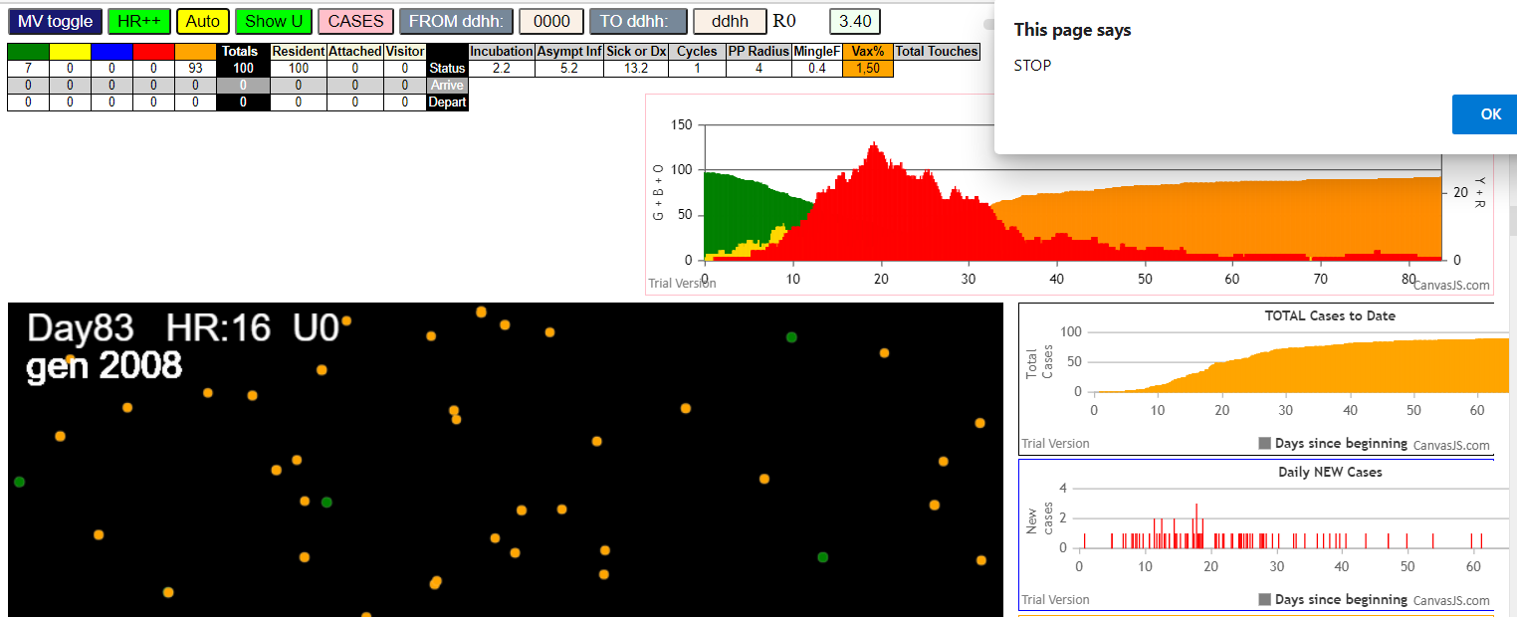

five transmitters

simulationRev2Vax.js:4297 exit covidSim
simulationRev2Vax.js:23 getAsText File {name: "HundredAgentsU0.csv", lastModified: 1599797804000, lastModifiedDate: Thu Sep 10 2020 21:16:44 GMT-0700 (Pacific Daylight Time), webkitRelativePath: "", size: 2140, …}
simulationRev2Vax.js:32 File {name: "HundredAgentsU0.csv", lastModified: 1599797804000, lastModifiedDate: Thu Sep 10 2020 21:16:44 GMT-0700 (Pacific Daylight Time), webkitRelativePath: "", size: 2140, …}
simulationRev2Vax.js:23 getAsText File {name: "VL5.csv", lastModified: 1602824104000, lastModifiedDate: Thu Oct 15 2020 21:55:04 GMT-0700 (Pacific Daylight Time), webkitRelativePath: "", size: 144, …}
simulationRev2Vax.js:32 File {name: "VL5.csv", lastModified: 1602824104000, lastModifiedDate: Thu Oct 15 2020 21:55:04 GMT-0700 (Pacific Daylight Time), webkitRelativePath: "", size: 144, …}
simulationRev2Vax.js:1674 (100) [0, 1, 2, 3, 4, 5, 6, 7, 8, 9, 10, 11, 12, 13, 14, 15, 16, 17, 18, 19, 20, 21, 22, 23, 24, 25, 26, 27, 28, 29, 30, 31, 32, 33, 34, 35, 36, 37, 38, 39, 40, 41, 42, 43, 44, 45, 46, 47, 48, 49, 50, 51, 52, 53, 54, 55, 56, 57, 58, 59, 60, 61, 62, 63, 64, 65, 66, 67, 68, 69, 70, 71, 72, 73, 74, 75, 76, 77, 78, 79, 80, 81, 82, 83, 84, 85, 86, 87, 88, 89, 90, 91, 92, 93, 94, 95, 96, 97, 98, 99]
simulationRev2Vax.js:1684 (95) [0, 1, 2, 3, 4, 5, 6, 7, 8, 9, 15, 16, 17, 18, 19, 20, 21, 22, 23, 24, 25, 26, 27, 28, 29, 30, 31, 32, 33, 34, 35, 36, 37, 38, 39, 40, 41, 42, 43, 44, 45, 46, 47, 48, 49, 50, 51, 52, 53, 54, 55, 56, 57, 58, 59, 60, 61, 62, 63, 64, 65, 66, 67, 68, 69, 70, 71, 72, 73, 74, 75, 76, 77, 78, 79, 80, 81, 82, 83, 84, 85, 86, 87, 88, 89, 90, 91, 92, 93, 94, 95, 96, 97, 98, 99]
simulationRev2Vax.js:1712 Vaccination list = 47
simulationRev2Vax.js:1726 vaccinated 85,50,58,60,24,7,4,17,41,83,15,54,94,30,92,43,77,99,44,27,0,86,39,76,3,81,35,47,59,5,96,74,21,40,55,56,38,34,69,23,97,32,80,84,2,16,25
simulationRev2Vax.js:2150 5I i:famKey 8:-1 infected by red j:famKey 14:-1 at gen 22 in U0 prob=0.068
simulationRev2Vax.js:2133 6I j:famKey 48:-1 infected by red i:famKey 10:-1 at gen 25 in Univ0 prob=0.041
simulationRev2Vax.js:2133 7I j:famKey 81:-1 infected by red i:famKey 11:-1 at gen 31 in Univ0 prob=0.888
simulationRev2Vax.js:2133 8I j:famKey 17:-1 infected by red i:famKey 14:-1 at gen 49 in Univ0 prob=0.556
simulationRev2Vax.js:2150 9I i:famKey 0:-1 infected by red j:famKey 11:-1 at gen 54 in U0 prob=0.888
simulationRev2Vax.js:2133 9I j:famKey 83:-1 infected by red i:famKey 12:-1 at gen 54 in Univ0 prob=0.168
simulationRev2Vax.js:2133 9I j:famKey 66:-1 infected by yellow i:famKey 0:-1 at gen 55 in Univ0 prob=0.285
simulationRev2Vax.js:2133 9I j:famKey 54:-1 infected by red i:famKey 12:-1 at gen 55 in Univ0 prob=0.725
simulationRev2Vax.js:2150 13I i:famKey 7:-1 infected by red j:famKey 12:-1 at gen 66 in U0 prob=0.344
simulationRev2Vax.js:2133 14I j:famKey 72:-1 infected by red i:famKey 13:-1 at gen 73 in Univ0 prob=0.251
simulationRev2Vax.js:2133 15I j:famKey 34:-1 infected by red i:famKey 10:-1 at gen 75 in Univ0 prob=0.309
simulationRev2Vax.js:2133 16I j:famKey 51:-1 infected by red i:famKey 11:-1 at gen 81 in Univ0 prob=0.012
simulationRev2Vax.js:2133 17I j:famKey 87:-1 infected by red i:famKey 13:-1 at gen 91 in Univ0 prob=0.396
simulationRev2Vax.js:2133 18I j:famKey 95:-1 infected by red i:famKey 14:-1 at gen 98 in Univ0 prob=0.861
simulationRev2Vax.js:2133 19I j:famKey 27:-1 infected by yellow i:famKey 0:-1 at gen 103 in Univ0 prob=0.236
simulationRev2Vax.js:2133 20I j:famKey 99:-1 infected by blue i:famKey 8:-1 at gen 108 in Univ0 prob=0.151
simulationRev2Vax.js:2133 21I j:famKey 40:-1 infected by blue i:famKey 8:-1 at gen 112 in Univ0 prob=0.255
simulationRev2Vax.js:2133 22I j:famKey 59:-1 infected by red i:famKey 11:-1 at gen 117 in Univ0 prob=0.501
simulationRev2Vax.js:2133 23I j:famKey 96:-1 infected by blue i:famKey 83:-1 at gen 126 in Univ0 prob=0.387
simulationRev2Vax.js:2133 24I j:famKey 42:-1 infected by red i:famKey 13:-1 at gen 129 in Univ0 prob=0.738
simulationRev2Vax.js:2133 25I j:famKey 97:-1 infected by red i:famKey 13:-1 at gen 132 in Univ0 prob=0.345
simulationRev2Vax.js:2133 26I j:famKey 68:-1 infected by red i:famKey 12:-1 at gen 137 in Univ0 prob=0.413
simulationRev2Vax.js:2150 27I i:famKey 2:-1 infected by red j:famKey 13:-1 at gen 140 in U0 prob=0.523
simulationRev2Vax.js:2150 27I i:famKey 70:-1 infected by blue j:famKey 72:-1 at gen 141 in U0 prob=0.070
simulationRev2Vax.js:2133 29I j:famKey 55:-1 infected by blue i:famKey 17:-1 at gen 143 in Univ0 prob=0.790
simulationRev2Vax.js:2150 30I i:famKey 23:-1 infected by red j:famKey 48:-1 at gen 147 in U0 prob=0.657
simulationRev2Vax.js:2133 30I j:famKey 62:-1 infected by red i:famKey 48:-1 at gen 147 in Univ0 prob=0.814
simulationRev2Vax.js:2133 32I j:famKey 98:-1 infected by blue i:famKey 72:-1 at gen 149 in Univ0 prob=0.893
simulationRev2Vax.js:2150 32I i:famKey 16:-1 infected by blue j:famKey 66:-1 at gen 150 in U0 prob=0.243
simulationRev2Vax.js:2133 34I j:famKey 85:-1 infected by blue i:famKey 72:-1 at gen 153 in Univ0 prob=0.855
simulationRev2Vax.js:2150 35I i:famKey 36:-1 infected by blue j:famKey 95:-1 at gen 170 in U0 prob=0.527
simulationRev2Vax.js:2133 36I j:famKey 33:-1 infected by red i:famKey 14:-1 at gen 178 in Univ0 prob=0.855
simulationRev2Vax.js:2133 37I j:famKey 89:-1 infected by red i:famKey 54:-1 at gen 189 in Univ0 prob=0.264
simulationRev2Vax.js:2133 38I j:famKey 86:-1 infected by red i:famKey 0:-1 at gen 191 in Univ0 prob=0.891
simulationRev2Vax.js:2150 38I i:famKey 49:-1 infected by blue j:famKey 99:-1 at gen 192 in U0 prob=0.786
simulationRev2Vax.js:2150 40I i:famKey 32:-1 infected by red j:famKey 81:-1 at gen 194 in U0 prob=0.077
simulationRev2Vax.js:2150 40I i:famKey 74:-1 infected by blue j:famKey 87:-1 at gen 195 in U0 prob=0.470
simulationRev2Vax.js:2150 42I i:famKey 25:-1 infected by blue j:famKey 70:-1 at gen 197 in U0 prob=0.737
simulationRev2Vax.js:2150 42I i:famKey 92:-1 infected by blue j:famKey 99:-1 at gen 197 in U0 prob=0.247
simulationRev2Vax.js:2150 44I i:famKey 20:-1 infected by blue j:famKey 40:-1 at gen 200 in U0 prob=0.379
simulationRev2Vax.js:2150 45I i:famKey 53:-1 infected by red j:famKey 54:-1 at gen 202 in U0 prob=0.922
simulationRev2Vax.js:2150 45I i:famKey 4:-1 infected by yellow j:famKey 20:-1 at gen 203 in U0 prob=0.025
simulationRev2Vax.js:2133 45I j:famKey 90:-1 infected by red i:famKey 72:-1 at gen 203 in Univ0 prob=0.668
simulationRev2Vax.js:2133 46I j:famKey 64:-1 infected by blue i:famKey 42:-1 at gen 204 in Univ0 prob=0.382
simulationRev2Vax.js:2150 49I i:famKey 63:-1 infected by blue j:famKey 97:-1 at gen 211 in U0 prob=0.281
simulationRev2Vax.js:2133 49I j:famKey 39:-1 infected by blue i:famKey 2:-1 at gen 212 in Univ0 prob=0.985
simulationRev2Vax.js:2133 51I j:famKey 80:-1 infected by red i:famKey 17:-1 at gen 215 in Univ0 prob=0.135
simulationRev2Vax.js:2150 52I i:famKey 56:-1 infected by blue j:famKey 68:-1 at gen 217 in U0 prob=0.574
simulationRev2Vax.js:2150 52I i:famKey 75:-1 infected by blue j:famKey 99:-1 at gen 218 in U0 prob=0.798
simulationRev2Vax.js:2133 53I j:famKey 45:-1 infected by red i:famKey 7:-1 at gen 219 in Univ0 prob=0.826
simulationRev2Vax.js:2150 55I i:famKey 44:-1 infected by red j:famKey 81:-1 at gen 221 in U0 prob=0.411
simulationRev2Vax.js:2150 56I i:famKey 52:-1 infected by red j:famKey 95:-1 at gen 223 in U0 prob=0.878
simulationRev2Vax.js:2150 57I i:famKey 41:-1 infected by blue j:famKey 70:-1 at gen 227 in U0 prob=0.611
simulationRev2Vax.js:2150 58I i:famKey 19:-1 infected by yellow j:famKey 25:-1 at gen 234 in U0 prob=0.220
simulationRev2Vax.js:2150 59I i:famKey 69:-1 infected by blue j:famKey 98:-1 at gen 237 in U0 prob=0.351
simulationRev2Vax.js:2150 60I i:famKey 24:-1 infected by blue j:famKey 68:-1 at gen 241 in U0 prob=0.910
simulationRev2Vax.js:2133 60I j:famKey 67:-1 infected by blue i:famKey 2:-1 at gen 242 in Univ0 prob=0.342
simulationRev2Vax.js:2133 60I j:famKey 82:-1 infected by yellow i:famKey 24:-1 at gen 242 in Univ0 prob=0.047
simulationRev2Vax.js:2150 60I i:famKey 38:-1 infected by red j:famKey 54:-1 at gen 242 in U0 prob=0.844
simulationRev2Vax.js:2133 61I j:famKey 78:-1 infected by blue i:famKey 2:-1 at gen 243 in Univ0 prob=0.476
simulationRev2Vax.js:2133 65I j:famKey 73:-1 infected by yellow i:famKey 24:-1 at gen 246 in Univ0 prob=0.438
simulationRev2Vax.js:2150 66I i:famKey 60:-1 infected by red j:famKey 87:-1 at gen 253 in U0 prob=0.276
simulationRev2Vax.js:2150 66I i:famKey 22:-1 infected by red j:famKey 34:-1 at gen 254 in U0 prob=0.057
simulationRev2Vax.js:2150 68I i:famKey 5:-1 infected by blue j:famKey 55:-1 at gen 256 in U0 prob=0.401
simulationRev2Vax.js:2150 68I i:famKey 71:-1 infected by red j:famKey 97:-1 at gen 256 in U0 prob=0.117
simulationRev2Vax.js:2133 70I j:famKey 88:-1 infected by red i:famKey 2:-1 at gen 258 in Univ0 prob=0.718
simulationRev2Vax.js:2133 71I j:famKey 94:-1 infected by red i:famKey 68:-1 at gen 261 in Univ0 prob=0.516
simulationRev2Vax.js:2150 72I i:famKey 47:-1 infected by red j:famKey 85:-1 at gen 276 in U0 prob=0.934
simulationRev2Vax.js:2150 73I i:famKey 35:-1 infected by red j:famKey 98:-1 at gen 279 in U0 prob=0.148
simulationRev2Vax.js:2150 74I i:famKey 30:-1 infected by red j:famKey 66:-1 at gen 282 in U0 prob=0.383
simulationRev2Vax.js:2133 75I j:famKey 61:-1 infected by yellow i:famKey 22:-1 at gen 285 in Univ0 prob=0.125
simulationRev2Vax.js:2150 76I i:famKey 6:-1 infected by blue j:famKey 41:-1 at gen 291 in U0 prob=0.286
simulationRev2Vax.js:2150 77I i:famKey 9:-1 infected by red j:famKey 98:-1 at gen 295 in U0 prob=0.899
simulationRev2Vax.js:2150 78I i:famKey 21:-1 infected by blue j:famKey 52:-1 at gen 300 in U0 prob=0.125
simulationRev2Vax.js:2133 79I j:famKey 84:-1 infected by blue i:famKey 49:-1 at gen 307 in Univ0 prob=0.289
simulationRev2Vax.js:2150 80I i:famKey 43:-1 infected by red j:famKey 55:-1 at gen 312 in U0 prob=0.495
simulationRev2Vax.js:2133 80I j:famKey 28:-1 infected by blue i:famKey 4:-1 at gen 313 in Univ0 prob=0.598
simulationRev2Vax.js:2133 82I j:famKey 18:-1 infected by red i:famKey 2:-1 at gen 315 in Univ0 prob=0.860
simulationRev2Vax.js:2133 82I j:famKey 76:-1 infected by red i:famKey 49:-1 at gen 316 in Univ0 prob=0.979
simulationRev2Vax.js:2150 83I i:famKey 1:-1 infected by blue j:famKey 39:-1 at gen 317 in U0 prob=0.925
simulationRev2Vax.js:2133 83I j:famKey 79:-1 infected by blue i:famKey 78:-1 at gen 317 in Univ0 prob=0.969
simulationRev2Vax.js:2150 86I i:famKey 58:-1 infected by red j:famKey 92:-1 at gen 325 in U0 prob=0.928
simulationRev2Vax.js:2133 87I j:famKey 65:-1 infected by red i:famKey 4:-1 at gen 332 in Univ0 prob=0.969
simulationRev2Vax.js:2133 88I j:famKey 50:-1 infected by red i:famKey 42:-1 at gen 337 in Univ0 prob=0.786
simulationRev2Vax.js:2150 89I i:famKey 15:-1 infected by red j:famKey 55:-1 at gen 346 in U0 prob=0.917
simulationRev2Vax.js:2133 90I j:famKey 46:-1 infected by red i:famKey 32:-1 at gen 358 in Univ0 prob=0.822
simulationRev2Vax.js:2133 91I j:famKey 91:-1 infected by red i:famKey 60:-1 at gen 401 in Univ0 prob=0.988
simulationRev2Vax.js:2150 92I i:famKey 31:-1 infected by red j:famKey 69:-1 at gen 409 in U0 prob=0.936
simulationRev2Vax.js:2133 93I j:famKey 57:-1 infected by red i:famKey 32:-1 at gen 456 in Univ0 prob=0.838
simulationRev2Vax.js:2133 94I j:famKey 77:-1 infected by red i:famKey 71:-1 at gen 458 in Univ0 prob=0.963
simulationRev2Vax.js:2150 95I i:famKey 26:-1 infected by red j:famKey 56:-1 at gen 471 in U0 prob=0.938
simulationRev2Vax.js:2133 96I j:famKey 93:-1 infected by red i:famKey 30:-1 at gen 484 in Univ0 prob=0.876
simulationRev2Vax.js:2150 97I i:famKey 3:-1 infected by red j:famKey 30:-1 at gen 565 in U0 prob=0.776

mode2
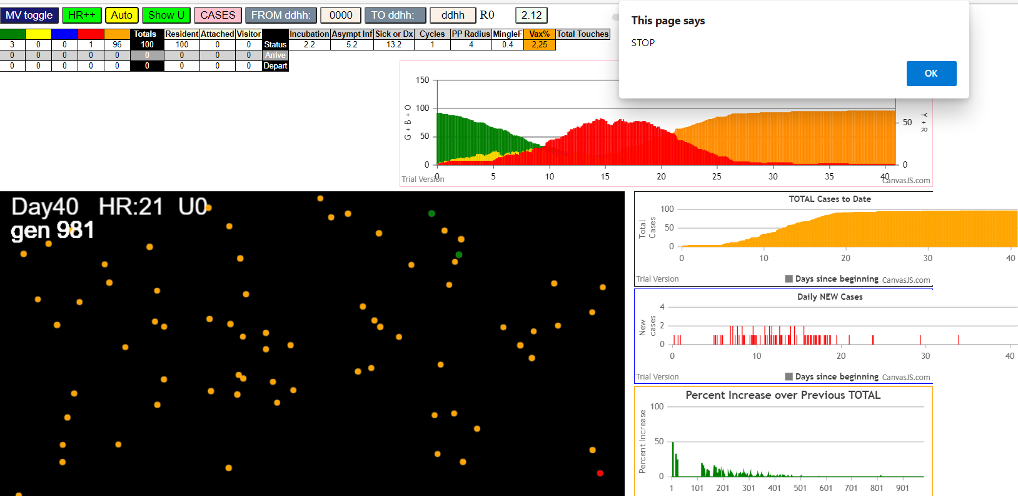
simulationRev2Vax.js:4297 exit covidSim
simulationRev2Vax.js:23 getAsText File {name: "HundredAgentsU0.csv", lastModified: 1599797804000, lastModifiedDate: Thu Sep 10 2020 21:16:44 GMT-0700 (Pacific Daylight Time), webkitRelativePath: "", size: 2140, …}
simulationRev2Vax.js:32 File {name: "HundredAgentsU0.csv", lastModified: 1599797804000, lastModifiedDate: Thu Sep 10 2020 21:16:44 GMT-0700 (Pacific Daylight Time), webkitRelativePath: "", size: 2140, …}
simulationRev2Vax.js:23 getAsText File {name: "VL1.csv", lastModified: 1603760180000, lastModifiedDate: Mon Oct 26 2020 17:56:20 GMT-0700 (Pacific Daylight Time), webkitRelativePath: "", size: 66, …}
simulationRev2Vax.js:32 File {name: "VL1.csv", lastModified: 1603760180000, lastModifiedDate: Mon Oct 26 2020 17:56:20 GMT-0700 (Pacific Daylight Time), webkitRelativePath: "", size: 66, …}
...
simulationRev2Vax.js:2133 42I j:famKey 58:-1 infected by red i:famKey 41:-1 at gen 617 in Univ0 prob=0.793
simulationRev2Vax.js:2133 43I j:famKey 66:-1 infected by red i:famKey 11:-1 at gen 633 in Univ0 prob=0.943
simulationRev2Vax.js:2150 44I i:famKey 14:-1 infected by red j:famKey 29:-1 at gen 644 in U0 prob=0.773
simulationRev2Vax.js:2133 45I j:famKey 34:-1 infected by blue i:famKey 30:-1 at gen 653 in Univ0 prob=0.816
simulationRev2Vax.js:2133 46I j:famKey 25:-1 infected by red i:famKey 4:-1 at gen 671 in Univ0 prob=0.916
simulationRev2Vax.js:2150 46I i:famKey 84:-1 infected by red j:famKey 97:-1 at gen 672 in U0 prob=0.568
simulationRev2Vax.js:2150 48I i:famKey 51:-1 infected by red j:famKey 97:-1 at gen 684 in U0 prob=0.293
simulationRev2Vax.js:2150 49I i:famKey 3:-1 infected by red j:famKey 54:-1 at gen 779 in U0 prob=0.979
simulationRev2Vax.js:2133 50I j:famKey 67:-1 infected by blue i:famKey 3:-1 at gen 858 in Univ0 prob=0.956

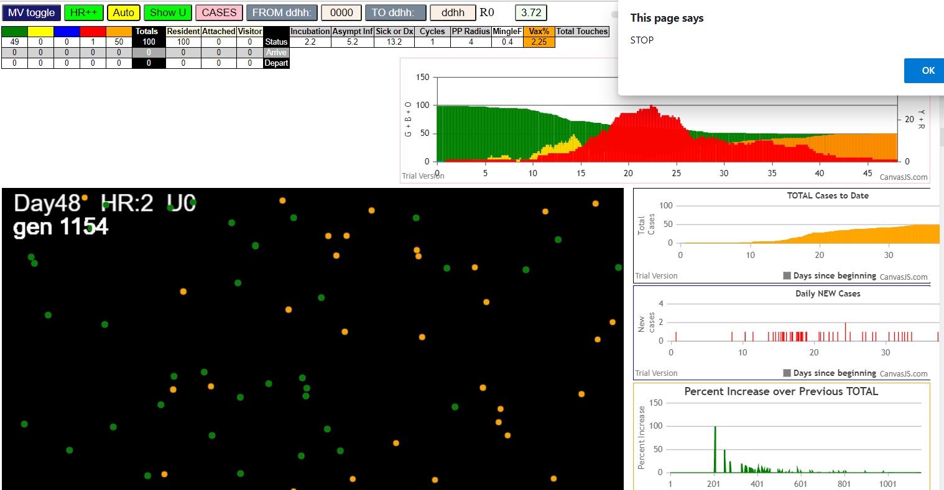

simulationRev2Vax.js:4297 exit covidSim
simulationRev2Vax.js:23 getAsText File {name: "HundredAgentsU0.csv", lastModified: 1599797804000, lastModifiedDate: Thu Sep 10 2020 21:16:44 GMT-0700 (Pacific Daylight Time), webkitRelativePath: "", size: 2140, …}
simulationRev2Vax.js:32 File {name: "HundredAgentsU0.csv", lastModified: 1599797804000, lastModifiedDate: Thu Sep 10 2020 21:16:44 GMT-0700 (Pacific Daylight Time), webkitRelativePath: "", size: 2140, …}
simulationRev2Vax.js:23 getAsText File {name: "VL1.csv", lastModified: 1603760180000, lastModifiedDate: Mon Oct 26 2020 17:56:20 GMT-0700 (Pacific Daylight Time), webkitRelativePath: "", size: 66, …}
simulationRev2Vax.js:32 File {name: "VL1.csv", lastModified: 1603760180000, lastModifiedDate: Mon Oct 26 2020 17:56:20 GMT-0700 (Pacific Daylight Time), webkitRelativePath: "", size: 66, …}
simulationRev2Vax.js:2133 0I j:famKey 80:-1 infected by blue i:famKey 10:-1 at gen 1 in Univ0 prob=0.508
simulationRev2Vax.js:2133 1I j:famKey 21:-1 infected by blue i:famKey 10:-1 at gen 2 in Univ0 prob=0.698
...
simulationRev2Vax.js:2133 49I j:famKey 98:-1 infected by red i:famKey 69:-1 at gen 445 in Univ0 prob=0.801
simulationRev2Vax.js:2150 50I i:famKey 27:-1 infected by red j:famKey 83:-1 at gen 465 in U0 prob=0.755
simulationRev2Vax.js:2150 51I i:famKey 77:-1 infected by blue j:famKey 98:-1 at gen 544 in U0 prob=0.982
simulationRev2Vax.js:2133 52I j:famKey 67:-1 infected by red i:famKey 11:-1 at gen 554 in Univ0 prob=0.815
simulationRev2Vax.js:2150 53I i:famKey 79:-1 infected by red j:famKey 94:-1 at gen 633 in U0 prob=0.770
simulationRev2Vax.js:2133 54I j:famKey 45:-1 infected by red i:famKey 27:-1 at gen 660 in Univ0 prob=0.819
simulationRev2Vax.js:2150 55I i:famKey 39:-1 infected by blue j:famKey 67:-1 at gen 674 in U0 prob=0.672
simulationRev2Vax.js:2133 56I j:famKey 76:-1 infected by red i:famKey 27:-1 at gen 704 in Univ0 prob=0.211

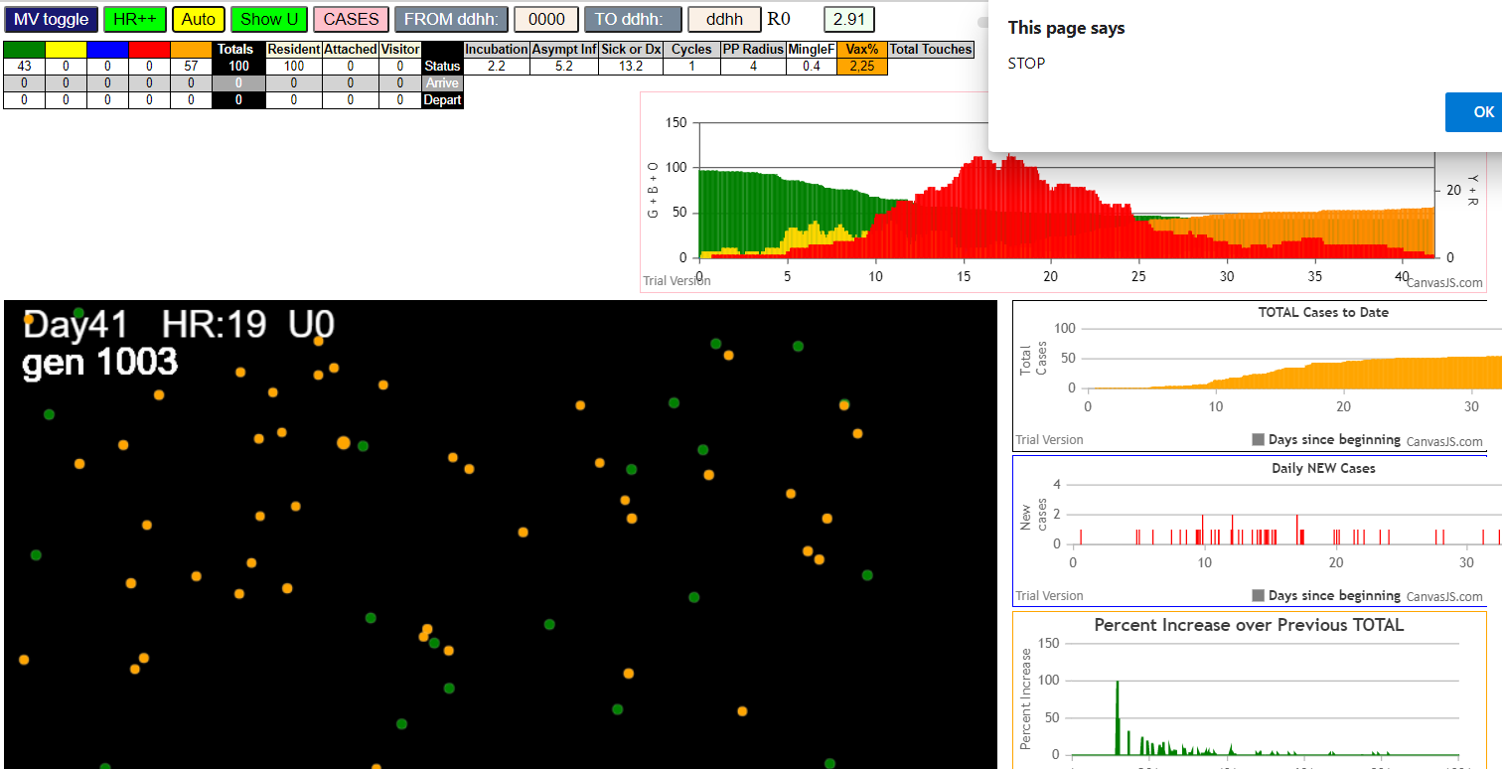

five

simulationRev2Vax.js:4297 exit covidSim
simulationRev2Vax.js:23 getAsText File {name: "HundredAgentsU0.csv", lastModified: 1599797804000, lastModifiedDate: Thu Sep 10 2020 21:16:44 GMT-0700 (Pacific Daylight Time), webkitRelativePath: "", size: 2140, …}
simulationRev2Vax.js:32 File {name: "HundredAgentsU0.csv", lastModified: 1599797804000, lastModifiedDate: Thu Sep 10 2020 21:16:44 GMT-0700 (Pacific Daylight Time), webkitRelativePath: "", size: 2140, …}
...
simulationRev2Vax.js:2133 88I j:famKey 86:-1 infected by red i:famKey 56:-1 at gen 326 in Univ0 prob=0.554
simulationRev2Vax.js:2133 89I j:famKey 96:-1 infected by red i:famKey 78:-1 at gen 329 in Univ0 prob=0.275
simulationRev2Vax.js:2150 90I i:famKey 5:-1 infected by red j:famKey 95:-1 at gen 338 in U0 prob=0.780
simulationRev2Vax.js:2150 91I i:famKey 15:-1 infected by blue j:famKey 19:-1 at gen 355 in U0 prob=0.847
simulationRev2Vax.js:2150 92I i:famKey 29:-1 infected by blue j:famKey 83:-1 at gen 380 in U0 prob=0.795
simulationRev2Vax.js:2150 93I i:famKey 27:-1 infected by red j:famKey 30:-1 at gen 447 in U0 prob=0.933
simulationRev2Vax.js:2150 94I i:famKey 42:-1 infected by red j:famKey 83:-1 at gen 449 in U0 prob=0.836
simulationRev2Vax.js:2133 95I j:famKey 81:-1 infected by red i:famKey 42:-1 at gen 589 in Univ0 prob=0.974
simulationRev2Vax.js:2150 96I i:famKey 1:-1 infected by blue j:famKey 81:-1 at gen 693 in U0 prob=0.808

mode3
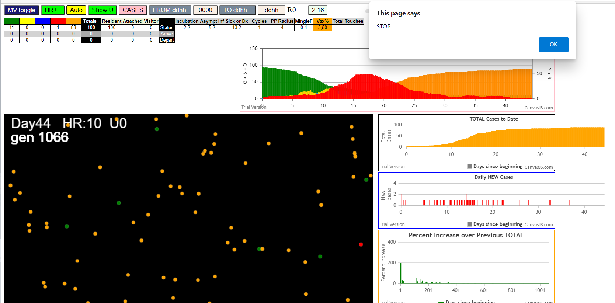
...
simulationRev2Vax.js:4297 exit covidSim
simulationRev2Vax.js:2133 57I j:famKey 77:-1 infected by red i:famKey 73:-1 at gen 580 in Univ0 prob=0.884
simulationRev2Vax.js:2150 58I i:famKey 34:-1 infected by red j:famKey 46:-1 at gen 587 in U0 prob=0.993
simulationRev2Vax.js:2150 59I i:famKey 26:-1 infected by red j:famKey 73:-1 at gen 621 in U0 prob=0.897
simulationRev2Vax.js:2150 60I i:famKey 3:-1 infected by red j:famKey 40:-1 at gen 637 in U0 prob=0.822
simulationRev2Vax.js:2150 61I i:famKey 29:-1 infected by red j:famKey 64:-1 at gen 679 in U0 prob=0.767
simulationRev2Vax.js:2150 62I i:famKey 0:-1 infected by red j:famKey 40:-1 at gen 681 in U0 prob=0.655
simulationRev2Vax.js:2150 62I i:famKey 72:-1 infected by blue j:famKey 77:-1 at gen 682 in U0 prob=0.067
simulationRev2Vax.js:2133 64I j:famKey 78:-1 infected by blue i:famKey 26:-1 at gen 693 in Univ0 prob=0.422
simulationRev2Vax.js:2133 65I j:famKey 59:-1 infected by red i:famKey 3:-1 at gen 760 in Univ0 prob=0.979

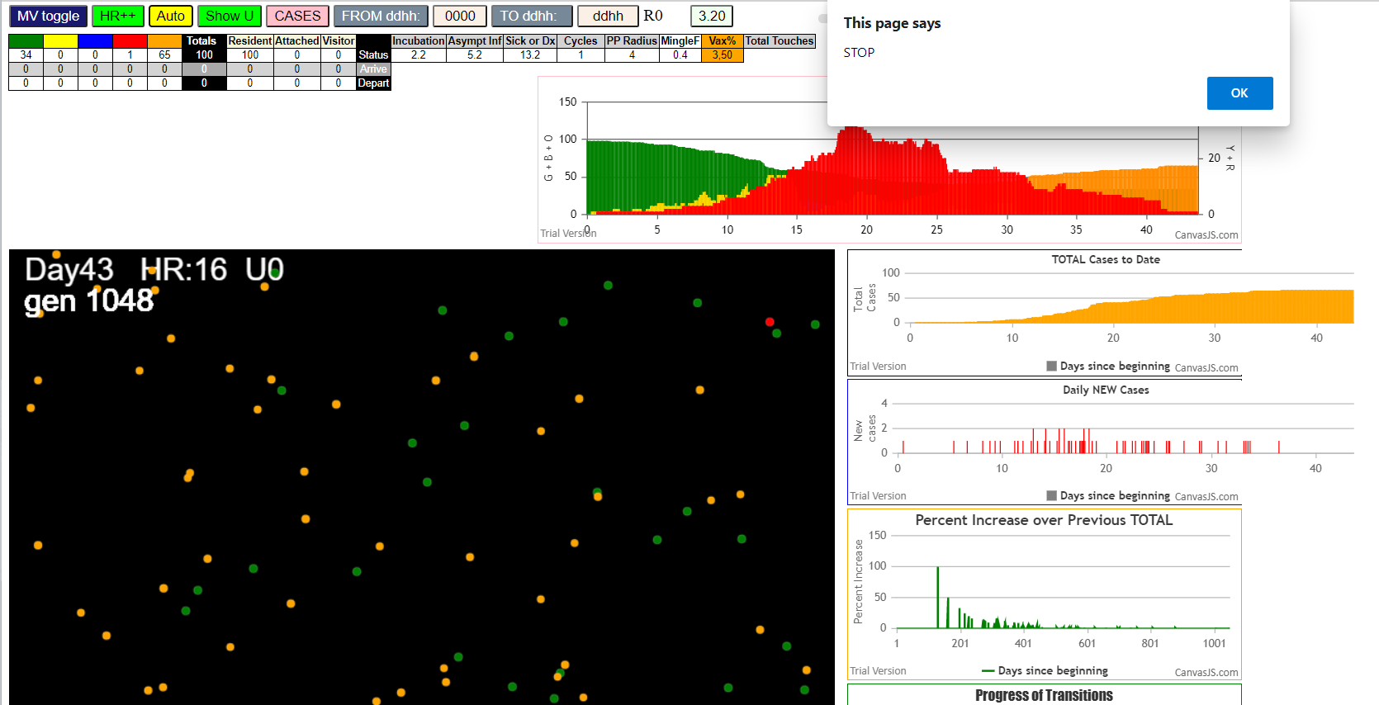

simulationRev2Vax.js:4297 exit covidSim
simulationRev2Vax.js:23 getAsText File {name: "HundredAgentsU0.csv", lastModified: 1599797804000, lastModifiedDate: Thu Sep 10 2020 21:16:44 GMT-0700 (Pacific Daylight Time), webkitRelativePath: "", size: 2140, …}
simulationRev2Vax.js:32 File {name: "HundredAgentsU0.csv", lastModified: 1599797804000, lastModifiedDate: Thu Sep 10 2020 21:16:44 GMT-0700 (Pacific Daylight Time), webkitRelativePath: "", size: 2140, …}
simulationRev2Vax.js:23 getAsText File {name: "VL1.csv", lastModified: 1603760180000, lastModifiedDate: Mon Oct 26 2020 17:56:20 GMT-0700 (Pacific Daylight Time), webkitRelativePath: "", size: 66, …}
simulationRev2Vax.js:32 File {name: "VL1.csv", lastModified: 1603760180000, lastModifiedDate: Mon Oct 26 2020 17:56:20 GMT-0700 (Pacific Daylight Time), webkitRelativePath: "", size: 66, …}
simulationRev2Vax.js:1674 (100) [0, 1, 2, 3, 4, 5, 6, 7, 8, 9, 10, 11, 12, 13, 14, 15, 16, 17, 18, 19, 20, 21, 22, 23, 24, 25, 26, 27, 28, 29, 30, 31, 32, 33, 34, 35, 36, 37, 38, 39, 40, 41, 42, 43, 44, 45, 46, 47, 48, 49, 50, 51, 52, 53, 54, 55, 56, 57, 58, 59, 60, 61, 62, 63, 64, 65, 66, 67, 68, 69, 70, 71, 72, 73, 74, 75, 76, 77, 78, 79, 80, 81, 82, 83, 84, 85, 86, 87, 88, 89, 90, 91, 92, 93, 94, 95, 96, 97, 98, 99]
simulationRev2Vax.js:1684 (99) [0, 1, 2, 3, 4, 5, 6, 7, 8, 9, 11, 12, 13, 14, 15, 16, 17, 18, 19, 20, 21, 22, 23, 24, 25, 26, 27, 28, 29, 30, 31, 32, 33, 34, 35, 36, 37, 38, 39, 40, 41, 42, 43, 44, 45, 46, 47, 48, 49, 50, 51, 52, 53, 54, 55, 56, 57, 58, 59, 60, 61, 62, 63, 64, 65, 66, 67, 68, 69, 70, 71, 72, 73, 74, 75, 76, 77, 78, 79, 80, 81, 82, 83, 84, 85, 86, 87, 88, 89, 90, 91, 92, 93, 94, 95, 96, 97, 98, 99]
...
simulationRev2Vax.js:2150 77I i:famKey 84:-1 infected by red j:famKey 85:-1 at gen 672 in U0 prob=0.046
simulationRev2Vax.js:2150 80I i:famKey 70:-1 infected by red j:famKey 71:-1 at gen 688 in U0 prob=0.209
simulationRev2Vax.js:2150 80I i:famKey 18:-1 infected by red j:famKey 64:-1 at gen 689 in U0 prob=0.860
simulationRev2Vax.js:2150 82I i:famKey 28:-1 infected by red j:famKey 65:-1 at gen 696 in U0 prob=0.982
simulationRev2Vax.js:2150 83I i:famKey 15:-1 infected by red j:famKey 29:-1 at gen 740 in U0 prob=0.997
simulationRev2Vax.js:2150 84I i:famKey 32:-1 infected by red j:famKey 65:-1 at gen 768 in U0 prob=0.963
simulationRev2Vax.js:2150 85I i:famKey 26:-1 infected by red j:famKey 70:-1 at gen 877 in U0 prob=0.970
simulationRev2Vax.js:2150 86I i:famKey 36:-1 infected by red j:famKey 84:-1 at gen 917 in U0 prob=0.998

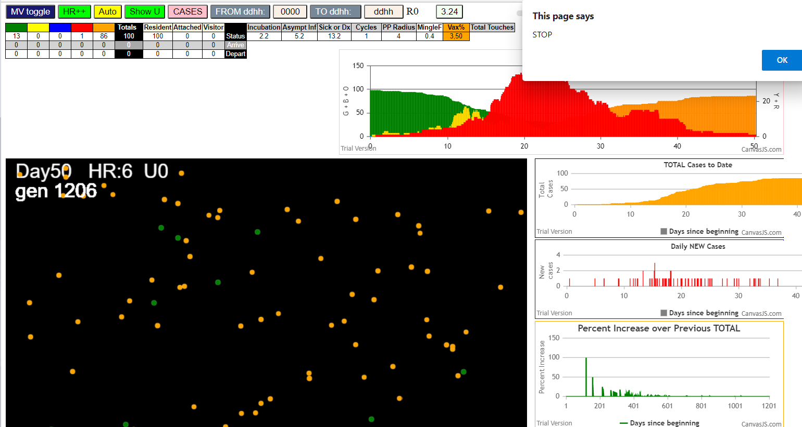

five transmitters

simulationRev2Vax.js:4297 exit covidSim
simulationRev2Vax.js:23 getAsText File {name: "HundredAgentsU0.csv", lastModified: 1599797804000, lastModifiedDate: Thu Sep 10 2020 21:16:44 GMT-0700 (Pacific Daylight Time), webkitRelativePath: "", size: 2140, …}
simulationRev2Vax.js:32 File {name: "HundredAgentsU0.csv", lastModified: 1599797804000, lastModifiedDate: Thu Sep 10 2020 21:16:44 GMT-0700 (Pacific Daylight Time), webkitRelativePath: "", size: 2140, …}
simulationRev2Vax.js:23 getAsText File {name: "VL5.csv", lastModified: 1602824104000, lastModifiedDate: Thu Oct 15 2020 21:55:04 GMT-0700 (Pacific Daylight Time), webkitRelativePath: "", size: 144, …}
...
simulationRev2Vax.js:2150 81I i:famKey 25:-1 infected by blue j:famKey 77:-1 at gen 499 in U0 prob=0.843
simulationRev2Vax.js:2133 82I j:famKey 93:-1 infected by red i:famKey 74:-1 at gen 539 in Univ0 prob=0.865
simulationRev2Vax.js:2133 83I j:famKey 67:-1 infected by red i:famKey 5:-1 at gen 549 in Univ0 prob=0.955
simulationRev2Vax.js:2133 84I j:famKey 86:-1 infected by red i:famKey 42:-1 at gen 658 in Univ0 prob=0.942
simulationRev2Vax.js:2133 85I j:famKey 73:-1 infected by red i:famKey 55:-1 at gen 670 in Univ0 prob=0.857
simulationRev2Vax.js:2133 86I j:famKey 64:-1 infected by red i:famKey 25:-1 at gen 678 in Univ0 prob=0.824
simulationRev2Vax.js:2133 87I j:famKey 84:-1 infected by red i:famKey 76:-1 at gen 689 in Univ0 prob=0.408
simulationRev2Vax.js:2133 88I j:famKey 98:-1 infected by blue i:famKey 73:-1 at gen 761 in Univ0 prob=0.965

mode2-50
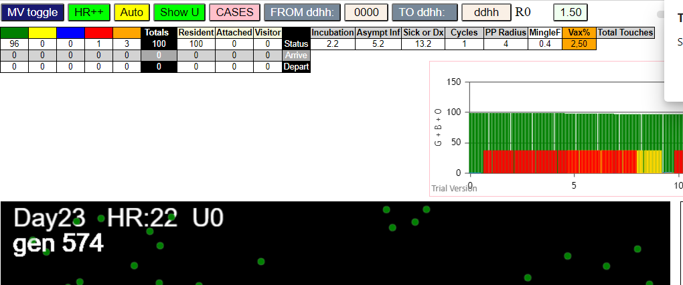
...
simulationRev2Vax.js:4297 exit covidSim
simulationRev2Vax.js:2133 38I j:famKey 26:-1 infected by red i:famKey 18:-1 at gen 693 in Univ0 prob=0.794
simulationRev2Vax.js:2150 39I i:famKey 23:-1 infected by red j:famKey 70:-1 at gen 697 in U0 prob=0.952
simulationRev2Vax.js:2133 40I j:famKey 77:-1 infected by red i:famKey 45:-1 at gen 719 in Univ0 prob=0.966
simulationRev2Vax.js:2133 41I j:famKey 17:-1 infected by red i:famKey 13:-1 at gen 776 in Univ0 prob=0.980
simulationRev2Vax.js:2133 42I j:famKey 46:-1 infected by red i:famKey 9:-1 at gen 796 in Univ0 prob=0.981
simulationRev2Vax.js:2133 43I j:famKey 69:-1 infected by red i:famKey 28:-1 at gen 819 in Univ0 prob=0.959
simulationRev2Vax.js:2150 44I i:famKey 61:-1 infected by red j:famKey 94:-1 at gen 883 in U0 prob=0.972
simulationRev2Vax.js:2133 45I j:famKey 66:-1 infected by red i:famKey 28:-1 at gen 907 in Univ0 prob=0.997
simulationRev2Vax.js:2133 46I j:famKey 87:-1 infected by red i:famKey 28:-1 at gen 932 in Univ0 prob=0.991

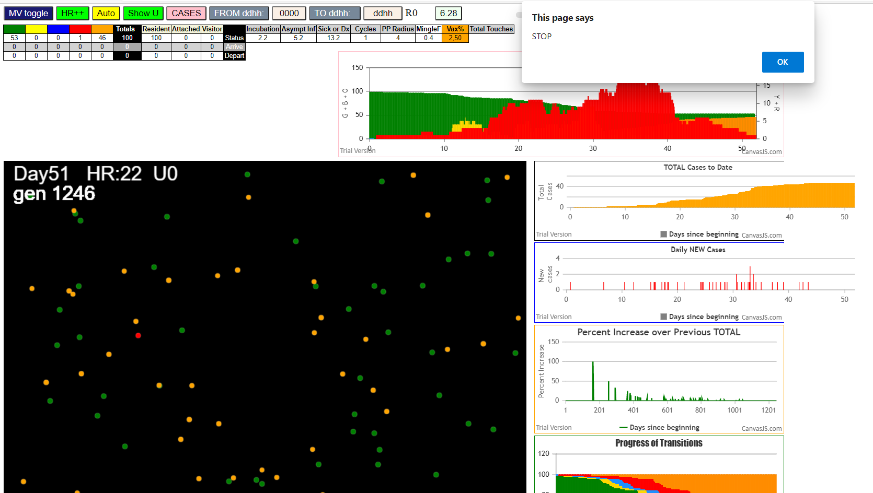

MODE 2 only version Jan 2/2021

getAsText File
simulationRev2Vax.js:32 File
simulationRev2Vax.js:2132 0I j:famKey 67:-1 infected by blue i:famKey 5:-1 at gen 1 in Univ0 prob=0.438
simulationRev2Vax.js:1674 Array(100)
simulationRev2Vax.js:1684 Array(50)
simulationRev2Vax.js:1712 Vaccination list = 49
simulationRev2Vax.js:1726 vaccinated 75,76,37,21,94,13,78,4,41,18,0,35,93,81,27,60,65,25,68,15,64,28,20,99,22,40,39,77,56,86,48,71,96,98,8,83,36,70,44,91,97,26,62,84,42,19,17,89,6
simulationRev2Vax.js:2149 2I i:famKey 0:-1 infected by red j:famKey 5:-1 at gen 125 in U0 prob=0.062
simulationRev2Vax.js:2132 3I j:famKey 58:-1 infected by blue i:famKey 0:-1 at gen 199 in Univ0 prob=0.257
simulationRev2Vax.js:2132 4I j:famKey 8:-1 infected by red i:famKey 0:-1 at gen 306 in Univ0 prob=0.429
simulationRev2Vax.js:2149 5I i:famKey 3:-1 infected by red j:famKey 58:-1 at gen 429 in U0 prob=0.842
simulationRev2Vax.js:2132 6I j:famKey 56:-1 infected by red i:famKey 8:-1 at gen 556 in Univ0 prob=0.982

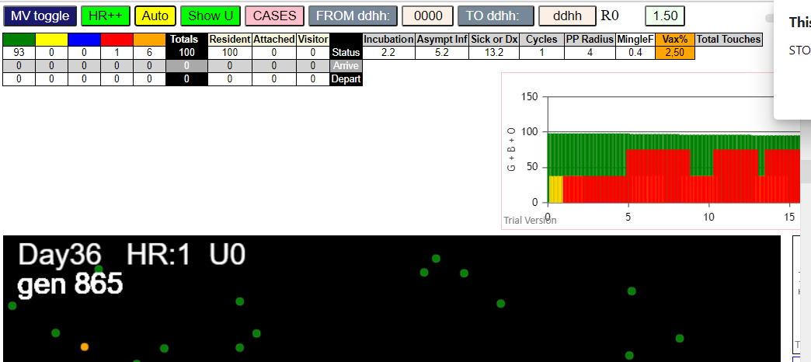

again
Sat Jan 02 2021 11:38:17 GMT-0800 (Pacific Standard Time)
simulationRev2Vax.js:834 CovidSIMVL Mode1 and Mod2 vaccinations
simulationRev2Vax.js:4299 exit covidSim
simulationRev2Vax.js:23 getAsText File {name: "HundredAgentsU0mF1.csv", lastModified: 1608077990000, lastModifiedDate: Tue Dec 15 2020 16:19:50 GMT-0800 (Pacific Standard Time), webkitRelativePath: "", size: 2140, …}
simulationRev2Vax.js:32 File {name: "HundredAgentsU0mF1.csv", lastModified: 1608077990000, lastModifiedDate: Tue Dec 15 2020 16:19:50 GMT-0800 (Pacific Standard Time), webkitRelativePath: "", size: 2140, …}
simulationRev2Vax.js:23 getAsText File {name: "VL1.csv", lastModified: 1608081530000, lastModifiedDate: Tue Dec 15 2020 17:18:50 GMT-0800 (Pacific Standard Time), webkitRelativePath: "", size: 65, …}
simulationRev2Vax.js:32 File {name: "VL1.csv", lastModified: 1608081530000, lastModifiedDate: Tue Dec 15 2020 17:18:50 GMT-0800 (Pacific Standard Time), webkitRelativePath: "", size: 65, …}
simulationRev2Vax.js:1661 Mode 2,50
simulationRev2Vax.js:1677 (100) [0, 1, 2, 3, 4, 5, 6, 7, 8, 9, 10, 11, 12, 13, 14, 15, 16, 17, 18, 19, 20, 21, 22, 23, 24, 25, 26, 27, 28, 29, 30, 31, 32, 33, 34, 35, 36, 37, 38, 39, 40, 41, 42, 43, 44, 45, 46, 47, 48, 49, 50, 51, 52, 53, 54, 55, 56, 57, 58, 59, 60, 61, 62, 63, 64, 65, 66, 67, 68, 69, 70, 71, 72, 73, 74, 75, 76, 77, 78, 79, 80, 81, 82, 83, 84, 85, 86, 87, 88, 89, 90, 91, 92, 93, 94, 95, 96, 97, 98, 99]
simulationRev2Vax.js:1687 (99) [0, 1, 2, 3, 4, 6, 7, 8, 9, 10, 11, 12, 13, 14, 15, 16, 17, 18, 19, 20, 21, 22, 23, 24, 25, 26, 27, 28, 29, 30, 31, 32, 33, 34, 35, 36, 37, 38, 39, 40, 41, 42, 43, 44, 45, 46, 47, 48, 49, 50, 51, 52, 53, 54, 55, 56, 57, 58, 59, 60, 61, 62, 63, 64, 65, 66, 67, 68, 69, 70, 71, 72, 73, 74, 75, 76, 77, 78, 79, 80, 81, 82, 83, 84, 85, 86, 87, 88, 89, 90, 91, 92, 93, 94, 95, 96, 97, 98, 99]
simulationRev2Vax.js:1715 Vaccination list = 49
simulationRev2Vax.js:1729 vaccinated 58,6,82,2,78,79,80,32,88,52,34,51,37,16,24,83,63,87,94,66,39,48,60,47,72,68,95,91,17,42,50,43,29,56,97,65,14,55,76,89,96,3,19,33,73,46,21,12,40
simulationRev2Vax.js:2135 1I j:famKey 31:-1 infected by red i:famKey 5:-1 at gen 111 in Univ0 prob=0.117
simulationRev2Vax.js:2135 2I j:famKey 45:-1 infected by red i:famKey 5:-1 at gen 168 in Univ0 prob=0.347
simulationRev2Vax.js:2152 3I i:famKey 28:-1 infected by blue j:famKey 45:-1 at gen 280 in U0 prob=0.706

